Introduction




National Footprint and Biocapacity Accounts 2022 Edition
The National Footprint and Biocapacity Accounts (NFAs) measure the ecological resource use and resource regeneration capacity of countries over time. Based on approximately 15,000 data points per country per year, the Accounts contain the Ecological Footprints of over 200 countries, territories, and regions from 1961 to 2018, providing the core data needed for all Ecological Footprint analysis worldwide. This Data Package contains Ecological Footprint and biocapacity as well as Human Development and population data to give a first approximation of the biological resource situation of these countries. Under the mandate of the Footprint Data Foundation (FoDaDo), the National Footprint and Biocapacity Accounts 2022 Edition are produced by the Ecological Footprint Initiative of York University in collaboration with Global Footprint Network.
ONLINE DATA ACCESS: All information contained in this Data Package and more can also be explored and downloaded from the Ecological Footprint Explorer as a part of Global Footprint Network's Open Data Platform. In addition, all figures shown in this Data Package are hyperlinked to an interactive version in the Footprint Explorer. The Explorer can be found at
http://data.footprintnetwork.org/

This Data Package provided by Global Footprint Network is licensed under a Creative Commons Attribution-ShareAlike 4.0 International License (CC-BY-SA 4.0).

Publication
We encourage the academic and scientific communities to use our data to conduct independent research. Additionally, we welcome researchers of all disciplines to contact us with questions or for potential collaborations. A few examples of potential topics we are interested in exploring further include economics and sustainable development.

Suggested citation for data and graphs
York University Ecological Footprint Initiative & Global Footprint Network. National Footprint and Biocapacity Accounts, 2022 edition. Produced for the Footprint Data Foundation and distributed by Global Footprint Network. Available online at: https://data.footprintnetwork.org.

Supporting documentation:
Calculation Methodology for the National Footprint and Biocapacity Accounts
Ecological Footprint Atlas
Definitions of Key Concepts
Additional Background Information

Contact:
For questions and research inquiries, please contact
footprint@yorku.ca
For data licensing inquiries, please contact
data@footprintnetwork.org

Definitions


Footprint and Biocapacity Accounting

Footprint and biocapacity accounting helps us answer the basic research question: How much do people demand from biologically productive surfaces (Ecological Footprint) compared to how much the planet (or a region's productive surface) can regenerate on those surfaces (biocapacity)?

What is the Ecological Footprint? What is it composed of?
The Ecological Footprint is a measure of the biologically productive land and water area an individual, population or activity requires to produce all the resources it consumes, to accommodate its occupied urban infrastructure, and to absorb the waste it generates, using prevailing technology and resource management practices.

The components of the Ecological Footprint include:
Cropland: Cropland is the most bioproductive of all the land-use types and consists of areas used to produce food and fiber for human consumption, feed for livestock, oil crops, and rubber. Due to lack of globally consistent data sets, current cropland Footprint calculations do not yet take into account the extent to which farming techniques or unsustainable agricultural practices may cause long-term degradation of soil. The cropland Footprint includes crop products allocated to livestock and aquaculture feed mixes, and those used for fibers and materials.
Forest land: Provides for two services: The forest product Footprint, which is calculated based on the amount of lumber, pulp, timber products, and fuel wood consumed by a country on a yearly basis. It also accommodates the Carbon Footprint, which represents the carbon dioxide emissions from burning fossil fuels. The carbon Footprint also includes embodied carbon in imported goods. It is represented by the area necessary to sequester these carbon emissions. The carbon Footprint component of the Ecological Footprint is calculated as the amount of forest land needed to absorb these carbon dioxide emissions for good. Currently, the carbon Footprint is the largest portion of humanity’s Footprint.
Fishing grounds: The fishing grounds Footprint is calculated based on estimates of the maximum sustainable catch for a variety of fish species. These sustainable catch estimates are converted into an equivalent mass of primary production based on the various species’ trophic levels. This estimate of maximum harvestable primary production is then divided amongst the continental shelf areas of the world. Fish caught and used in aquaculture feed mixes are included.
Grazing land: Grazing land is used to raise livestock for meat, dairy, hide, and wool products. The grazing land Footprint is calculated by comparing the amount of livestock feed available in a country with the amount of feed required for all livestock in that year, with the remainder of feed demand assumed to come from grazing land.
Built-up land: The built-up land Footprint is calculated based on the area of land covered by human infrastructure — transportation, housing, industrial structures, and reservoirs for hydropower. In absence of better evidence, we typically assume that built-up land occupies what would previously have been cropland.

What is Biocapacity?
Biocapacity serves as a lens, showing the capacity of the biosphere to regenerate and provide natural resources and services for life. It allows researchers to add up the competing human demands, which include natural resources, waste absorption, water renewal, and productive areas dedicated to urban uses. As an aggregate, biocapacity allows us to determine how large the material metabolism of human economies is compared to what nature can renew.

What is a global hectare (gha)?
A global hectare is a biologically productive hectare with world average productivity. Because each unit of space harbours a different portion of the global regenerative capacity, each unit is counted proportional to its global biocapacity share. For this reason, hectares are adjusted proportionally to their productivity and are expressed in global hectares.

Measuring Sustainable Development with HDI and Footprint Assessments
 | Africa |  | Middle East/Central Asia |  | Asia-Pacific |  | South America |  | Central America/Caribbean |  | North America |  | EU-28 |  | Non-EU Europe |  | World Biocapacity Per Capita 1961 |  | World Biocapacity Per Capita 2012 |  | High Human Development |  | Very High Human Development
0.746 | 2.3409087153 | 0.509 | 0.68225535151 | #N/A | 1.7561969246 | 0.842 | 3.3117460979 | 0.772 | 4.6550924199 | #N/A | 5.2279547917 | 0.921 | 6.0644595526 | 0.792 | 1.8864580231 | 0 |  | 0 | 1.6 | 0.7 | 15 | 0.8 | 15
0.582 | 0.86184467253 | 0.852 | 8.1728881057 | 0.943 | 7.0860389507 | 0.714 | 3.108502043 | 0.812 | 4.2845259841 | 0.928 | 8.0650497064 | 0.813 | 3.6210698791 | 0.867 | 5.0029324124 | 1.6 |  | 1.6 | 1.6 | 0.7 | 0 | 0.8 | 0
0.73 | 2.3692558566 | 0.754 | 2.0600747776 | 0.625 | 0.90389422734 | 0.762 | 2.5879591851 | 0.81 | 3.9696550687 | #N/A | 13.738298833 | 0.885 | 3.8501678833 | #N/A | #N/A
0.431 | 0.83346031742 | 0.805 | 2.3199085753 | 0.649 | 5.1587696384 | 0.849 | 4.2932063437 | #N/A | 4.4413349736 | 0.776 | 2.3824619731 | 0.939 | 6.6533873537 | 0.823 | 4.4029788498
0.56 | 1.213831261 | 0.785 | 3.2585247153 | #N/A | #N/A | 0.764 | 1.8566279563 | 0.714 | 7.8724602194 | #N/A | 6.2185047882 | 0.889 | 8.0094405061 | #N/A | 58.820539149
0.663 | 1.8341522231 | 0.671 | 1.7643310472 | 0.564 | 1.7717050611 | 0.762 | 1.7024678687 | #N/A | 3.0538633675 | 0.925 | 8.1223831249 | 0.937 | 6.4434641726 | 0.777 | 3.8922329378
0.395 | 1.2038289524 | 0.916 | 4.6594185575 | 0.836 | 5.4153689477 | #N/A | 24.789052455 | 0.808 | 2.4462471057 |  |  | 0.898 | 4.4210313212 | #N/A | 7.0695702255
0.397 | 1.6513258609 | 0.819 | 4.9508857127 | 0.579 | 1.6581714779 | #N/A | 1.878417955 | 0.781 | 1.761104629 |  |  | 0.946 | 4.6723378213 | 0.848 | 3.8808645727
0.552 | 1.1933751519 | 0.728 | 1.7570558601 | 0.779 | 1.513185955 | 0.68 | 3.4071765819 | 0.738 | 2.4583986568 |  |  | 0.881 | 4.0990552978 | 0.946 | 36.412426247
0.573 | 1.0280745794 | 0.696 | 1.5415517287 | #N/A | #N/A | 0.727 | 3.0699498072 | 0.751 | 1.7688437851 |  |  | 0.85 | 3.8658697495 | 0.919 | 0.58325635443
0.541 | 1.6074392654 | 0.807 | 7.8997299983 | #N/A | #N/A | 0.771 | 2.3574470992 | 0.67 | 2.0280359749 |  |  | 0.951 | 5.2509016787 | 0.746 | 1.8686587606
0.701 | 1.8363101804 | 0.747 | 2.9637172028 | #N/A | 8.2719653228 | #N/A | 1.1132418647 | 0.773 | 2.5361419823 |  |  | 0.89 | 4.3105326211 | 0.77 | 3.0976016832
0.582 | 2.0217445809 | 0.845 | 14.270953594 | 0.742 | 2.6673284684 | 0.734 | 3.0645670519 | #N/A | 3.6172982722 |  |  | 0.863 | 6.4051738431 | 0.956 | 5.6689029107
#N/A | #N/A | 0.854 | 4.9554264601 | #N/A | 3.9957407176 | 0.816 | 1.2586205177 | 0.657 | 1.8198323692 |  |  | 0.876 | 6.0007845995 | 0.823 | 5.310634694
0.518 | 2.4383882459 | 0.661 | 1.1276497284 | 0.628 | 30.657978362 | 0.733 | 2.3916123646 | 0.508 | 0.63733793995 |  |  | 0.894 | 5.4512285803 | #N/A | #N/A
0.697 | 1.9533393375 | 0.563 | 1.3370039365 | #N/A | 0.055701905649 |  |  | 0.633 | 1.5745547056 |  |  | 0.942 | 5.6915677826 | 0.955 | 4.3482501389
0.487 | 1.0407373341 | 0.71 | 4.8969079 | 0.642 | 1.2095565014 |  |  | 0.734 | 1.6338558157 |  |  | 0.898 | 5.7176329445 | #N/A | #N/A
0.606 | 2.0046645318 | 0.813 | 6.2884181545 | 0.712 | 1.7171810509 |  |  | #N/A | 3.4938961823 |  |  | 0.877 | 4.7547457305 | 0.774 | 2.4227728899
0.473 | 1.8440159154 | 0.817 | 3.3452235074 | 0.917 | 4.607692386 |  |  | #N/A | 4.3009799477 |  |  | 0.86 | 4.5516983631 | #N/A | #N/A
0.534 | 1.3963828437 | 0.889 | 8.0962186447 | 0.585 | 1.5014080694 |  |  | #N/A | #N/A |  |  | 0.823 | 3.5843849934 | #N/A | 0.024118092281
0.599 | 1.002109094 | 0.717 | 2.0383668522 | #N/A | 1.1661873109 |  |  | 0.659 | 1.4274634651 |  |  | 0.912 | 5.3662007222 | #N/A | 0.014264241701
0.522 | 1.5441436265 | 0.468 | 0.508541708 | 0.914 | 6.3168198317 |  |  | 0.812 | 2.9230821425 |  |  | 0.858 | 4.731464446 | 0.803 | 3.0705124874
0.48 | 1.2429616822 | 0.708 | 1.1415959032 | 0.609 | 1.8398868343 |  |  | #N/A | 0.028525895961 |  |  | 0.905 | 4.3914912061 | 0.826 | 4.2287710299
0.721 | 3.2811346073 |  |  | 0.702 | 16.824796552 |  |  | 0.773 | 3.5697500174 |  |  | 0.943 | 6.2762556725
0.527 | 0.95105307013 |  |  | 0.805 | 4.2594544381 |  |  | 0.758 | 2.2637862356 |  |  | 0.928 | 4.1793237782
0.478 | 0.88037309752 |  |  | 0.734 | 7.6449510989 |  |  | 0.736 | 2.7723394105 |  |  | 0.93 | 6.8656336548
0.431 | 1.6290345965 |  |  | 0.735 | 7.2757155666 |  |  | 0.795 | 7.4437415273 |  |  | 0.913 | 12.950359012
0.542 | 2.5166352264 |  |  | 0.618 | 14.839903591 |  |  | #N/A | 1.9830850073
0.801 | 3.2200023032 |  |  | #N/A | 3.5145124439 |  |  | #N/A | 2.3749917143
0.68 | 1.7535541935 |  |  | 0.596 | 1.1894420514 |  |  | #N/A | 0.01347897615
0.452 | 0.79917289589 |  |  | #N/A | 15.201447301 |  |  | #N/A | 4.4349594642
0.645 | 2.51005261 |  |  | 0.603 | 1.7589988063 |  |  | #N/A | 8.8552918367
0.391 | 1.5433696501 |  |  | 0.928 | 5.3002445427 |  |  | #N/A | 6.2978549304
0.534 | 1.0877214641 |  |  | #N/A | 6.1779113249 |  |  | #N/A | 0.17505922225
0.472 | 1.4670419398 |  |  | #N/A | #N/A
0.456 | 0.81466453686 |  |  | #N/A | 0.74513133262
0.569 | 1.2156883153 |  |  | #N/A | #N/A
#N/A | 4.5935383744 |  |  | 0.552 | 0.7710344689
0.54 | 0.75933648111 |  |  | 0.549 | 1.7221803876
0.624 | 1.2848035302 |  |  | 0.711 | 1.4678560551
0.516 | 1.4120225817 |  |  | #N/A | #N/A
0.79 | 16.506661056 |  |  | 0.599 | 0.5923561306
0.447 | 1.1336960484 |  |  | 0.822 | 11.895646487
#N/A | 1.0160216892 |  |  | 0.936 | 5.9314859538
0.707 | 3.8004622467 |  |  | 0.772 | 2.3523667431
#N/A | 0 |  |  | #N/A | 3.2737354812
#N/A | #N/A |  |  | 0.723 | 2.9205765245
0.605 | 2.4638955468 |  |  | #N/A | 13.359478609
0.524 | 1.1729527948 |  |  | 0.7 | 2.2721456695
0.51 | 1.04373128 |  |  | #N/A | #N/A
...

The essence of sustainable development can be measured by tracking its two core dimensions:
1) economic and social development
2) environmental sustainability

Economic and social development, or human well-being, can be approximated with UNDP’s widely recognized Human Development Index (HDI). UNDP considers an HDI of more than 0.7 to be “high human development.” Environmental sustainability, or living within the means of nature, can be evaluated with the Ecological Footprint. The HDI-Footprint graph above shows how a population's HDI compares to its resource demand. The graph illustrates the challenge of creating a globally-reproducible high level of human well-being without overtaxing the planet’s ecological resource base.

Note that the comparison against global average biocapacity provides a global overview. This approach can be further extended by comparing Footprints also against local biocapacity. For most countries, local availability of biocapacity (and the financial means to access biocapacity from elsewhere) is a more significant determinant of resource access than the global average.

Appendix: Background on Ecological Footprint

Simple introductions to Footprint accounting:
www.footprintnetwork.org/our-work/ecological-footprint/
www.footprintnetwork.org/resources/data/

Country example:
https://footprint.info.yorku.ca/data/workbook/

Methodology Papers on the National Footprint and Biocapacity Accounts:
Lin et al. (2018) Ecological Footprint Accounting for Countries: Updates and Results of the National Footprint Accounts, 2012–2018, Resources, 7(3), 58.
Borucke et al. (2013) Accounting for demand and supply of the Biosphere’s regenerative capacity: the National Footprint Accounts’ underlying methodology and framework. Ecological Indicators, 24, 518-533.

A more thorough introduction to the Footprint concept:
Wackernagel, M.; Lin, D.; Evans, M.; Hanscom, L.; Raven, P. Defying the Footprint Oracle: Implications of Country Resource Trends. Sustainability 2019, 11, 2164.

A list of academic literature on the Ecological Footprint:
www.footprintnetwork.org/resources/journal-articles/

Ecological Footprint Reviews by national governments:
www.footprintnetwork.org/reviews

Frequently asked questions:
www.footprintnetwork.org/faq

Limitations and Criticisms:
www.footprintnetwork.org/our-work/ecological-footprint/limitations-and-criticisms/

World Graphs 2022 Ed (2018)
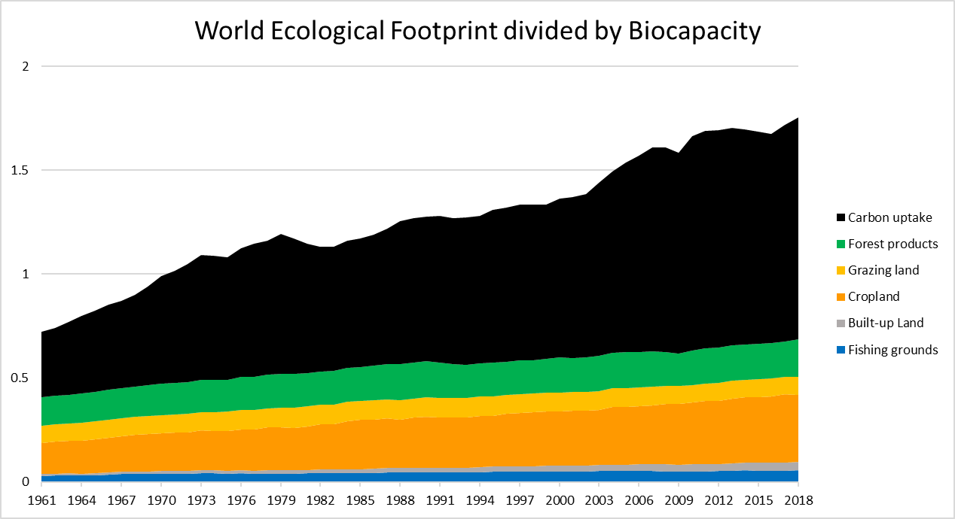

 | Africa |  | Middle East/Central Asia |  | Asia-Pacific |  | South America |  | Central America/Caribbean |  | North America |  | EU-28 |  | Non-EU Europe |  | World Biocapacity Per Capita 1961 |  | World Biocapacity Per Capita 2012 |  | High Human Development |  | Very High Human Development
0.746 | 2.3409087153 | 0.509 | 0.68225535151 | #N/A | 1.7561969246 | 0.842 | 3.3117460979 | 0.772 | 4.6550924199 | #N/A | 5.2279547917 | 0.921 | 6.0644595526 | 0.792 | 1.8864580231 | 0 |  | 0 | 1.6 | 0.7 | 15 | 0.8 | 15
0.582 | 0.86184467253 | 0.852 | 8.1728881057 | 0.943 | 7.0860389507 | 0.714 | 3.108502043 | 0.812 | 4.2845259841 | 0.928 | 8.0650497064 | 0.813 | 3.6210698791 | 0.867 | 5.0029324124 | 1.6 |  | 1.6 | 1.6 | 0.7 | 0 | 0.8 | 0
0.73 | 2.3692558566 | 0.754 | 2.0600747776 | 0.625 | 0.90389422734 | 0.762 | 2.5879591851 | 0.81 | 3.9696550687 | #N/A | 13.738298833 | 0.885 | 3.8501678833 | #N/A | #N/A
0.431 | 0.83346031742 | 0.805 | 2.3199085753 | 0.649 | 5.1587696384 | 0.849 | 4.2932063437 | #N/A | 4.4413349736 | 0.776 | 2.3824619731 | 0.939 | 6.6533873537 | 0.823 | 4.4029788498
0.56 | 1.213831261 | 0.785 | 3.2585247153 | #N/A | #N/A | 0.764 | 1.8566279563 | 0.714 | 7.8724602194 | #N/A | 6.2185047882 | 0.889 | 8.0094405061 | #N/A | 58.820539149
0.663 | 1.8341522231 | 0.671 | 1.7643310472 | 0.564 | 1.7717050611 | 0.762 | 1.7024678687 | #N/A | 3.0538633675 | 0.925 | 8.1223831249 | 0.937 | 6.4434641726 | 0.777 | 3.8922329378
0.395 | 1.2038289524 | 0.916 | 4.6594185575 | 0.836 | 5.4153689477 | #N/A | 24.789052455 | 0.808 | 2.4462471057 |  |  | 0.898 | 4.4210313212 | #N/A | 7.0695702255
0.397 | 1.6513258609 | 0.819 | 4.9508857127 | 0.579 | 1.6581714779 | #N/A | 1.878417955 | 0.781 | 1.761104629 |  |  | 0.946 | 4.6723378213 | 0.848 | 3.8808645727
0.552 | 1.1933751519 | 0.728 | 1.7570558601 | 0.779 | 1.513185955 | 0.68 | 3.4071765819 | 0.738 | 2.4583986568 |  |  | 0.881 | 4.0990552978 | 0.946 | 36.412426247
0.573 | 1.0280745794 | 0.696 | 1.5415517287 | #N/A | #N/A | 0.727 | 3.0699498072 | 0.751 | 1.7688437851 |  |  | 0.85 | 3.8658697495 | 0.919 | 0.58325635443
0.541 | 1.6074392654 | 0.807 | 7.8997299983 | #N/A | #N/A | 0.771 | 2.3574470992 | 0.67 | 2.0280359749 |  |  | 0.951 | 5.2509016787 | 0.746 | 1.8686587606
0.701 | 1.8363101804 | 0.747 | 2.9637172028 | #N/A | 8.2719653228 | #N/A | 1.1132418647 | 0.773 | 2.5361419823 |  |  | 0.89 | 4.3105326211 | 0.77 | 3.0976016832
0.582 | 2.0217445809 | 0.845 | 14.270953594 | 0.742 | 2.6673284684 | 0.734 | 3.0645670519 | #N/A | 3.6172982722 |  |  | 0.863 | 6.4051738431 | 0.956 | 5.6689029107
#N/A | #N/A | 0.854 | 4.9554264601 | #N/A | 3.9957407176 | 0.816 | 1.2586205177 | 0.657 | 1.8198323692 |  |  | 0.876 | 6.0007845995 | 0.823 | 5.310634694
0.518 | 2.4383882459 | 0.661 | 1.1276497284 | 0.628 | 30.657978362 | 0.733 | 2.3916123646 | 0.508 | 0.63733793995 |  |  | 0.894 | 5.4512285803 | #N/A | #N/A
0.697 | 1.9533393375 | 0.563 | 1.3370039365 | #N/A | 0.055701905649 |  |  | 0.633 | 1.5745547056 |  |  | 0.942 | 5.6915677826 | 0.955 | 4.3482501389
0.487 | 1.0407373341 | 0.71 | 4.8969079 | 0.642 | 1.2095565014 |  |  | 0.734 | 1.6338558157 |  |  | 0.898 | 5.7176329445 | #N/A | #N/A
0.606 | 2.0046645318 | 0.813 | 6.2884181545 | 0.712 | 1.7171810509 |  |  | #N/A | 3.4938961823 |  |  | 0.877 | 4.7547457305 | 0.774 | 2.4227728899
0.473 | 1.8440159154 | 0.817 | 3.3452235074 | 0.917 | 4.607692386 |  |  | #N/A | 4.3009799477 |  |  | 0.86 | 4.5516983631 | #N/A | #N/A
0.534 | 1.3963828437 | 0.889 | 8.0962186447 | 0.585 | 1.5014080694 |  |  | #N/A | #N/A |  |  | 0.823 | 3.5843849934 | #N/A | 0.024118092281
0.599 | 1.002109094 | 0.717 | 2.0383668522 | #N/A | 1.1661873109 |  |  | 0.659 | 1.4274634651 |  |  | 0.912 | 5.3662007222 | #N/A | 0.014264241701
0.522 | 1.5441436265 | 0.468 | 0.508541708 | 0.914 | 6.3168198317 |  |  | 0.812 | 2.9230821425 |  |  | 0.858 | 4.731464446 | 0.803 | 3.0705124874
0.48 | 1.2429616822 | 0.708 | 1.1415959032 | 0.609 | 1.8398868343 |  |  | #N/A | 0.028525895961 |  |  | 0.905 | 4.3914912061 | 0.826 | 4.2287710299
0.721 | 3.2811346073 |  |  | 0.702 | 16.824796552 |  |  | 0.773 | 3.5697500174 |  |  | 0.943 | 6.2762556725
0.527 | 0.95105307013 |  |  | 0.805 | 4.2594544381 |  |  | 0.758 | 2.2637862356 |  |  | 0.928 | 4.1793237782
0.478 | 0.88037309752 |  |  | 0.734 | 7.6449510989 |  |  | 0.736 | 2.7723394105 |  |  | 0.93 | 6.8656336548
0.431 | 1.6290345965 |  |  | 0.735 | 7.2757155666 |  |  | 0.795 | 7.4437415273 |  |  | 0.913 | 12.950359012
0.542 | 2.5166352264 |  |  | 0.618 | 14.839903591 |  |  | #N/A | 1.9830850073
0.801 | 3.2200023032 |  |  | #N/A | 3.5145124439 |  |  | #N/A | 2.3749917143
0.68 | 1.7535541935 |  |  | 0.596 | 1.1894420514 |  |  | #N/A | 0.01347897615
0.452 | 0.79917289589 |  |  | #N/A | 15.201447301 |  |  | #N/A | 4.4349594642
0.645 | 2.51005261 |  |  | 0.603 | 1.7589988063 |  |  | #N/A | 8.8552918367
0.391 | 1.5433696501 |  |  | 0.928 | 5.3002445427 |  |  | #N/A | 6.2978549304
0.534 | 1.0877214641 |  |  | #N/A | 6.1779113249 |  |  | #N/A | 0.17505922225
0.472 | 1.4670419398 |  |  | #N/A | #N/A
0.456 | 0.81466453686 |  |  | #N/A | 0.74513133262
0.569 | 1.2156883153 |  |  | #N/A | #N/A
#N/A | 4.5935383744 |  |  | 0.552 | 0.7710344689
0.54 | 0.75933648111 |  |  | 0.549 | 1.7221803876
0.624 | 1.2848035302 |  |  | 0.711 | 1.4678560551
0.516 | 1.4120225817 |  |  | #N/A | #N/A
0.79 | 16.506661056 |  |  | 0.599 | 0.5923561306
0.447 | 1.1336960484 |  |  | 0.822 | 11.895646487
#N/A | 1.0160216892 |  |  | 0.936 | 5.9314859538
0.707 | 3.8004622467 |  |  | 0.772 | 2.3523667431
#N/A | 0 |  |  | #N/A | 3.2737354812
#N/A | #N/A |  |  | 0.723 | 2.9205765245
0.605 | 2.4638955468 |  |  | #N/A | 13.359478609
0.524 | 1.1729527948 |  |  | 0.7 | 2.2721456695
0.51 | 1.04373128 |  |  | #N/A | #N/A
...
 | Africa |  | Middle East/Central Asia |  | Asia-Pacific |  | South America |  | Central America/Caribbean |  | North America |  | EU-28 |  | Non-EU Europe |  | Horizontal Line |  | Vertical Line
76.693 | 2.3409087153 | 64.486 | 0.68225535151 | #N/A | 1.7561969246 | 76.52 | 3.3117460979 | 76.885 | 4.6550924199 | 81.6517 | 5.2279547917 | 81.6927 | 6.0644595526 | 78.458 | 1.8864580231 | 50 | 1.6 | 75 | 15
60.782 | 0.86184467253 | 77.163 | 8.1728881057 | 82.7488 | 7.0860389507 | 71.239 | 3.108502043 | 73.752 | 4.2845259841 | 82.0488 | 8.0650497064 | 74.9634 | 3.6210698791 | #N/A | 5.0029324124 | 85 | 1.6 | 75 | 0
69.275 | 2.3692558566 | 72.864 | 2.0600747776 | 72.32 | 0.90389422734 | 75.672 | 2.5879591851 | 79.081 | 3.9696550687 | #N/A | 13.738298833 | 80.828 | 3.8501678833 | #N/A | #N/A
61.247 | 0.83346031742 | 73.6 | 2.3199085753 | 71.46 | 5.1587696384 | 80.042 | 4.2932063437 | 76.152 | 4.4413349736 | 74.992 | 2.3824619731 | 80.9537 | 6.6533873537 | 74.1756 | 4.4029788498
58.921 | 1.213831261 | 76.479 | 3.2585247153 | #N/A | #N/A | 77.109 | 1.8566279563 | 74.496 | 7.8724602194 | #N/A | 6.2185047882 | 78.2439 | 8.0094405061 | 82.4951 | 58.820539149
72.782 | 1.8341522231 | 70.454 | 1.7643310472 | 72.835 | 1.7717050611 | 76.8 | 1.7024678687 | #N/A | 3.0538633675 | 78.639 | 8.1223831249 | 81.7341 | 6.4434641726 | 77.262 | 3.8922329378
52.805 | 1.2038289524 | 82.8024 | 4.6594185575 | 75.722 | 5.4153689477 | #N/A | 24.789052455 | 80.095 | 2.4462471057 |  |  | 82.7244 | 4.4210313212 | #N/A | 7.0695702255
53.977 | 1.6513258609 | 73.15 | 4.9508857127 | 66.867 | 1.6581714779 | #N/A | 1.878417955 | 78.726 | 1.761104629 |  |  | 80.8927 | 4.6723378213 | 78.0707 | 3.8808645727
64.118 | 1.1933751519 | 74.405 | 1.7570558601 | 76.812 | 1.513185955 | 69.774 | 3.4071765819 | #N/A | 2.4583986568 |  |  | 81.7878 | 4.0990552978 | 82.861 | 36.412426247
64.29 | 1.0280745794 | 71.4 | 1.5415517287 | #N/A | #N/A | 74.131 | 3.0699498072 | 73.892 | 1.7688437851 |  |  | 76.0659 | 3.8658697495 | 83.0415 | 0.58325635443
61.47 | 1.6074392654 | 75.398 | 7.8997299983 | #N/A | #N/A | 76.516 | 2.3574470992 | 73.096 | 2.0280359749 |  |  | 82.2561 | 5.2509016787 | 71.808 | 1.8686587606
71.825 | 1.8363101804 | 78.875 | 2.9637172028 | #N/A | 8.2719653228 | #N/A | 1.1132418647 | 72.384 | 2.5361419823 |  |  | 83.3463 | 4.3105326211 | 75.688 | 3.0976016832
58.402 | 2.0217445809 | 80.1 | 14.270953594 | 67.341 | 2.6673284684 | 71.57 | 3.0645670519 | #N/A | 3.6172982722 |  |  | 74.7829 | 6.4051738431 | 82.7585 | 5.6689029107
#N/A | #N/A | 74.998 | 4.9554264601 | 77.462 | 3.9957407176 | 77.77 | 1.2586205177 | 74.063 | 1.8198323692 |  |  | 75.6805 | 6.0007845995 | 72.6622 | 5.310634694
66.582 | 2.4383882459 | 70.879 | 1.1276497284 | 68.116 | 30.657978362 | 72.128 | 2.3916123646 | 63.66 | 0.63733793995 |  |  | 82.4488 | 5.4512285803 | #N/A | #N/A
66.187 | 1.9533393375 | 71.779 | 1.3370039365 | 79.859 | 0.055701905649 |  |  | 75.088 | 1.5745547056 |  |  | 81.8122 | 5.6915677826 | 83.7537 | 4.3482501389
61.735 | 1.0407373341 | 68.073 | 4.8969079 | 69.416 | 1.2095565014 |  |  | 74.368 | 1.6338558157 |  |  | 79.0293 | 5.7176329445 | #N/A | #N/A
63.78 | 2.0046645318 | 77.633 | 6.2884181545 | 71.509 | 1.7171810509 |  |  | #N/A | 3.4938961823 |  |  | 77.6024 | 4.7547457305 | 71.5827 | 2.4227728899
61.185 | 1.8440159154 | 77.437 | 3.3452235074 | 84.211 | 4.607692386 |  |  | #N/A | 4.3009799477 |  |  | 81.3244 | 4.5516983631 | #N/A | #N/A
57.422 | 1.3963828437 | 77.814 | 8.0962186447 | 69.57 | 1.5014080694 |  |  | #N/A | #N/A |  |  | 75.3585 | 3.5843849934 | 82.928 | 0.024118092281
66.342 | 1.002109094 | 71.573 | 2.0383668522 | 72.095 | 1.1661873109 |  |  | 74.275 | 1.4274634651 |  |  | 81.3781 | 5.3662007222 | #N/A | 0.014264241701
53.705 | 1.5441436265 | 66.096 | 0.508541708 | 82.6268 | 6.3168198317 |  |  | 78.329 | 2.9230821425 |  |  | 77.2659 | 4.731464446 | 75.8902 | 3.0705124874
63.73 | 1.2429616822 | 73.895 | 1.1415959032 | 67.61 | 1.8398868343 |  |  | 79.7782 | 0.028525895961 |  |  | 83.4317 | 4.3914912061 | 76.77 | 4.2287710299
72.724 | 3.2811346073 |  |  | #N/A | 16.824796552 |  |  | #N/A | 3.5697500174 |  |  | 82.5585 | 6.2762556725
66.681 | 0.95105307013 |  |  | 75.997 | 4.2594544381 |  |  | 76.057 | 2.2637862356 |  |  | 81.2561 | 4.1793237782
63.798 | 0.88037309752 |  |  | 78.627 | 7.6449510989 |  |  | 72.415 | 2.7723394105 |  |  | 81.5951 | 6.8656336548
58.893 | 1.6290345965 |  |  | 69.689 | 7.2757155666 |  |  | 73.38 | 7.4437415273 |  |  | 82.2951 | 12.950359012
64.704 | 2.5166352264 |  |  | 67.755 | 14.839903591 |  |  | #N/A | 1.9830850073
74.4163 | 3.2200023032 |  |  | #N/A | 3.5145124439 |  |  | #N/A | 2.3749917143
76.453 | 1.7535541935 |  |  | 70.478 | 1.1894420514 |  |  | 79.5195 | 0.01347897615
60.163 | 0.79917289589 |  |  | 77.4341 | 15.201447301 |  |  | #N/A | 4.4349594642
63.373 | 2.51005261 |  |  | 70.323 | 1.7589988063 |  |  | #N/A | 8.8552918367
62.024 | 1.5433696501 |  |  | 81.8585 | 5.3002445427 |  |  | #N/A | 6.2978549304
54.332 | 1.0877214641 |  |  | #N/A | 6.1779113249 |  |  | 79.822 | 0.17505922225
58.003 | 1.4670419398 |  |  | #N/A | #N/A
65.941 | 0.81466453686 |  |  | #N/A | 0.74513133262
#N/A | 1.2156883153 |  |  | #N/A | #N/A
#N/A | 4.5935383744 |  |  | 67.114 | 0.7710344689
68.7 | 0.75933648111 |  |  | 64.263 | 1.7221803876
70.17 | 1.2848035302 |  |  | 71.095 | 1.4678560551
67.665 | 1.4120225817 |  |  | #N/A | #N/A
72.8415 | 16.506661056 |  |  | 69.26 | 0.5923561306
54.309 | 1.1336960484 |  |  | #N/A | 11.895646487
57.068 | 1.0160216892 |  |  | 83.2976 | 5.9314859538
#N/A | 3.8004622467 |  |  | 76.931 | 2.3523667431
#N/A | 0 |  |  | #N/A | 3.2737354812
#N/A | #N/A |  |  | 70.801 | 2.9205765245
59.401 | 2.4638955468 |  |  | #N/A | 13.359478609
65.015 | 1.1729527948 |  |  | 75.317 | 2.2721456695
60.76 | 1.04373128 |  |  | #N/A | #N/A
...
 | Africa |  | Middle East/Central Asia |  | Asia-Pacific |  | South America |  | Central America/Caribbean |  | North America |  | EU-28 |  | Non-EU Europe |  | Horizontal Line |  | Vertical Line
4759.8300536 | 2.3409087153 | 564.61738254 | 0.68225535151 | 9271.7208796 | 1.7561969246 | 10076.395406 | 3.3117460979 | 15134.91009 | 4.6550924199 | 95572.852802 | 5.2279547917 | 49711.014529 | 6.0644595526 | 5046.0326111 | 1.8864580231 | 100 | 1.6 | 75 | 15
3233.9027671 | 0.86184467253 | 21477.970658 | 8.1728881057 | 57032.237052 | 7.0860389507 | 2559.5212761 | 3.108502043 | 28845.521021 | 4.2845259841 | 51517.748526 | 8.0650497064 | 8642.0407796 | 3.6210698791 | 45133.757743 | 5.0029324124 | 150000 | 1.6 | 75 | 0
8032.8913702 | 2.3692558566 | 5795.0216566 | 2.0600747776 | 1202.1539625 | 0.90389422734 | 11075.624555 | 2.5879591851 | 16136.910427 | 3.9696550687 | 48840.075671 | 13.738298833 | 23394.939369 | 3.8501678833 | #N/A | #N/A
210.80408018 | 0.83346031742 | 4407.4855627 | 2.3199085753 | 3128.8541155 | 5.1587696384 | 15110.096096 | 4.2932063437 | #N/A | 4.4413349736 | 10381.088984 | 2.3824619731 | 64671.696846 | 6.6533873537 | 6607.8081236 | 4.4029788498
1502.1672024 | 1.213831261 | 6442.5267893 | 3.2585247153 | #N/A | #N/A | 7692.152796 | 1.8566279563 | 4217.2076175 | 7.8724602194 | #N/A | 6.2185047882 | 19918.66411 | 8.0094405061 | #N/A | 58.820539149
3740.0024133 | 1.8341522231 | 5463.968805 | 1.7643310472 | 1773.6962452 | 1.7717050611 | 5180.5856791 | 1.7024678687 | 78611.582836 | 3.0538633675 | 54723.995402 | 8.1223831249 | 48890.191936 | 6.4434641726 | 6096.9095068 | 3.8922329378
379.36553585 | 1.2038289524 | 36866.823354 | 4.6594185575 | 31436.743031 | 5.4153689477 | #N/A | 24.789052455 | 9936.5930149 | 2.4462471057 |  |  | 45056.68277 | 4.4210313212 | #N/A | 7.0695702255
812.01986351 | 1.6513258609 | 11135.614552 | 4.9508857127 | 1573.149751 | 1.6581714779 | #N/A | 1.878417955 | 6816.9184134 | 1.761104629 |  |  | 47158.236014 | 4.6723378213 | 15707.704151 | 3.8808645727
1402.7383271 | 1.1933751519 | 3306.6573845 | 1.7570558601 | 4028.2068159 | 1.513185955 | 5825.0258767 | 3.4071765819 | 6696.5445026 | 2.4583986568 |  |  | 24044.400915 | 4.0990552978 | 54045.431314 | 36.412426247
2303.9799547 | 1.0280745794 | 1094.1160234 | 1.5415517287 | #N/A | #N/A | 5379.589473 | 3.0699498072 | 7697.7729585 | 1.7688437851 |  |  | 16894.154005 | 3.8658697495 | #N/A | 0.58325635443
1211.3191119 | 1.6074392654 | 33113.302619 | 7.8997299983 | #N/A | #N/A | 6439.6531018 | 2.3574470992 | 3507.0513569 | 2.0280359749 |  |  | 77406.931041 | 5.2509016787 | 2355.7234653 | 1.8686587606
2905.8070977 | 1.8363101804 | 6204.8629591 | 2.9637172028 | #N/A | 8.2719653228 | #N/A | 1.1132418647 | 9091.7327181 | 2.5361419823 |  |  | 35277.497987 | 4.3105326211 | 5452.0011008 | 3.0976016832
10134.686278 | 2.0217445809 | 63990.108271 | 14.270953594 | 4794.682114 | 2.6673284684 | 8100.3317403 | 3.0645670519 | #N/A | 3.6172982722 |  |  | 16252.398616 | 6.4051738431 | 91608.030704 | 5.6689029107
#N/A | #N/A | 20829.129441 | 4.9554264601 | #N/A | 3.9957407176 | 14617.543247 | 1.2586205177 | 3164.177317 | 1.8198323692 |  |  | 17744.05083 | 6.0007845995 | 11939.561118 | 5.310634694
#N/A | 2.4383882459 | 1073.0230008 | 1.1276497284 | 1777.7154331 | 30.657978362 | #N/A | 2.3916123646 | 1282.2389015 | 0.63733793995 |  |  | 31603.559828 | 5.4512285803 | #N/A | #N/A
9051.3241933 | 1.9533393375 | #N/A | 1.3370039365 | 31477.244287 | 0.055701905649 |  |  | 2219.4374604 | 1.5745547056 |  |  | 55369.23301 | 5.6915677826 | 79173.217185 | 4.3482501389
791.45556993 | 1.0407373341 | 7647.9517248 | 4.8969079 | 2084.8119233 | 1.2095565014 |  |  | 4855.2735322 | 1.6338558157 |  |  | 23720.899272 | 5.7176329445 | #N/A | #N/A
1808.3286819 | 2.0046645318 | 15796.763746 | 6.2884181545 | 4296.3189886 | 1.7171810509 |  |  | #N/A | 3.4938961823 |  |  | 16665.962775 | 4.7547457305 | 2960.7062824 | 2.4227728899
897.11865955 | 1.8440159154 | 15180.938283 | 3.3452235074 | 48505.526643 | 4.607692386 |  |  | #N/A | 4.3009799477 |  |  | 24180.49524 | 4.5516983631 | #N/A | #N/A
1667.9431854 | 1.3963828437 | 41325.060182 | 8.0962186447 | 1202.6240468 | 1.5014080694 |  |  | #N/A | #N/A |  |  | 11534.853431 | 3.5843849934 | #N/A | 0.024118092281
1201.4764406 | 1.002109094 | 2408.6100554 | 2.0383668522 | #N/A | 1.1661873109 |  |  | 1857.0566855 | 1.4274634651 |  |  | 26709.658902 | 5.3662007222 | 94514.905042 | 0.014264241701
1374.5143752 | 1.5441436265 | 632.90958866 | 0.508541708 | 28335.9752 | 6.3168198317 |  |  | 11755.117737 | 2.9230821425 |  |  | 20539.115977 | 4.731464446 | 5471.8355059 | 3.0705124874
541.27124338 | 1.2429616822 | 2805.3169157 | 1.1415959032 | 1785.5813301 | 1.8398868343 |  |  | 28746.511775 | 0.028525895961 |  |  | 32981.460812 | 4.3914912061 | 8179.7486628 | 4.2287710299
8038.5890864 | 3.2811346073 |  |  | 3066.9886074 | 16.824796552 |  |  | 16942.658758 | 3.5697500174 |  |  | 59067.517556 | 6.2762556725
490.09795856 | 0.95105307013 |  |  | 12116.214159 | 4.2594544381 |  |  | 9237.3916514 | 2.2637862356 |  |  | 42894.354268 | 4.1793237782
515.10981538 | 0.88037309752 |  |  | 8157.4224571 | 7.6449510989 |  |  | 6852.5374966 | 2.7723394105 |  |  | 46768.040172 | 6.8656336548
778.72597894 | 1.6290345965 |  |  | 4210.8434504 | 7.2757155666 |  |  | 15161.241955 | 7.4437415273 |  |  | 111380.64948 | 12.950359012
1703.8636617 | 2.5166352264 |  |  | 2728.6221739 | 14.839903591 |  |  | #N/A | 1.9830850073
10561.400121 | 3.2200023032 |  |  | 9695.6887779 | 3.5145124439 |  |  | #N/A | 2.3749917143
3413.9069437 | 1.7535541935 |  |  | 817.55217484 | 1.1894420514 |  |  | #N/A | 0.01347897615
592.51084893 | 0.79917289589 |  |  | #N/A | 15.201447301 |  |  | #N/A | 4.4349594642
5942.286366 | 2.51005261 |  |  | 2864.8285533 | 1.7589988063 |  |  | #N/A | 8.8552918367
552.32411145 | 1.5433696501 |  |  | 39214.612417 | 5.3002445427 |  |  | #N/A | 6.2978549304
2384.1735801 | 1.0877214641 |  |  | #N/A | 6.1779113249 |  |  | #N/A | 0.17505922225
622.6911218 | 1.4670419398 |  |  | #N/A | #N/A
#N/A | 0.81466453686 |  |  | 18577.757473 | 0.74513133262
1305.8010538 | 1.2156883153 |  |  | #N/A | #N/A
#N/A | 4.5935383744 |  |  | 1196.826055 | 0.7710344689
845.39912209 | 0.75933648111 |  |  | 2397.6565188 | 1.7221803876
1296.7473518 | 1.2848035302 |  |  | 3187.9682328 | 1.4678560551
1547.1008056 | 1.4120225817 |  |  | #N/A | #N/A
14367.430073 | 16.506661056 |  |  | 839.88582112 | 0.5923561306
472.82602905 | 1.1336960484 |  |  | 12684.704597 | 11.895646487
#N/A | 1.0160216892 |  |  | 57837.603126 | 5.9314859538
7440.4118181 | 3.8004622467 |  |  | 6366.2616937 | 2.3523667431
#N/A | 0 |  |  | #N/A | 3.2737354812
#N/A | #N/A |  |  | 4377.6757672 | 2.9205765245
4761.5903303 | 2.4638955468 |  |  | 3635.9227182 | 13.359478609
931.30412043 | 1.1729527948 |  |  | 1967.6386243 | 2.2721456695
676.98810709 | 1.04373128 |  |  | #N/A | #N/A
...
 | Africa |  | Middle East/Central Asia |  | Asia-Pacific |  | South America |  | Central America/Caribbean |  | North America |  | EU-28 |  | Non-EU Europe
70.9 | 2.3409087153 | 53.9 | 0.68225535151 | #N/A | 1.7561969246 | 72.8 | 3.3117460979 | #N/A | 4.6550924199 | #N/A | 5.2279547917 | 82.1 | 6.0644595526 | 71 | 1.8864580231 | 30 | 1.6
50.3 | 0.86184467253 | 66.1 | 8.1728881057 | 75.6 | 7.0860389507 | 67.6 | 3.108502043 | #N/A | 4.2845259841 | 79.2 | 8.0650497064 | 73.8 | 3.6210698791 | #N/A | 5.0029324124 | 90 | 1.6
61.9 | 2.3692558566 | 72.4 | 2.0600747776 | 63.5 | 0.90389422734 | 71.3 | 2.5879591851 | 68.4 | 3.9696550687 | #N/A | 13.738298833 | 74.9 | 3.8501678833 | #N/A | #N/A
51.8 | 0.83346031742 | 72.2 | 2.3199085753 | 70 | 5.1587696384 | 77.1 | 4.2932063437 | #N/A | 4.4413349736 | 69.1 | 2.3824619731 | 84.9 | 6.6533873537 | 78.8 | 4.4029788498
55.3 | 1.213831261 | 70 | 3.2585247153 | #N/A | #N/A | 70.6 | 1.8566279563 | 64.4 | 7.8724602194 | #N/A | 6.2185047882 | 81.6 | 8.0094405061 | #N/A | 58.820539149
68.1 | 1.8341522231 | 63.8 | 1.7643310472 | #N/A | 1.7717050611 | 72.5 | 1.7024678687 | #N/A | 3.0538633675 | 76 | 8.1223831249 | 85.9 | 6.4434641726 | 73.7 | 3.8922329378
38.3 | 1.2038289524 | 75 | 4.6594185575 | 68.3 | 5.4153689477 | #N/A | 24.789052455 | 73.6 | 2.4462471057 |  |  | 81.7 | 4.4210313212 | #N/A | 7.0695702255
40.9 | 1.6513258609 | 71.6 | 4.9508857127 | 64.9 | 1.6581714779 | #N/A | 1.878417955 | 73.7 | 1.761104629 |  |  | 82.5 | 4.6723378213 | 80.4 | 3.8808645727
#N/A | 1.1933751519 | 70.1 | 1.7570558601 | 68.1 | 1.513185955 | 57.9 | 3.4071765819 | #N/A | 2.4583986568 |  |  | 75.4 | 4.0990552978 | 78.2 | 36.412426247
52.9 | 1.0280745794 | 74 | 1.5415517287 | #N/A | #N/A | 66.9 | 3.0699498072 | 70.8 | 1.7688437851 |  |  | 78.8 | 3.8658697495 | #N/A | 0.58325635443
49.9 | 1.6074392654 | 62.5 | 7.8997299983 | #N/A | #N/A | 71.1 | 2.3574470992 | 67.9 | 2.0280359749 |  |  | 81 | 5.2509016787 | 73.7 | 1.8686587606
68.6 | 1.8363101804 | 66.8 | 2.9637172028 | #N/A | 8.2719653228 | #N/A | 1.1132418647 | #N/A | 2.5361419823 |  |  | 78.8 | 4.3105326211 | 72.5 | 3.0976016832
#N/A | 2.0217445809 | 66.7 | 14.270953594 | 71.2 | 2.6673284684 | 67 | 3.0645670519 | #N/A | 3.6172982722 |  |  | 79.2 | 6.4051738431 | 82 | 5.6689029107
#N/A | #N/A | 66.3 | 4.9554264601 | #N/A | 3.9957407176 | 74.5 | 1.2586205177 | 59.9 | 1.8198323692 |  |  | 76.7 | 6.0007845995 | 73.8 | 5.310634694
53.8 | 2.4383882459 | 69.8 | 1.1276497284 | #N/A | 30.657978362 | 59.3 | 2.3916123646 | 51.4 | 0.63733793995 |  |  | 75.7 | 5.4512285803 | #N/A | #N/A
62.8 | 1.9533393375 | 58 | 1.3370039365 | #N/A | 0.055701905649 |  |  | 62.8 | 1.5745547056 |  |  | 81.6 | 5.6915677826 | 80.1 | 4.3482501389
59.3 | 1.0407373341 | 61.1 | 4.8969079 | 60.1 | 1.2095565014 |  |  | 69 | 1.6338558157 |  |  | 81.4 | 5.7176329445 | #N/A | #N/A
62.5 | 2.0046645318 | 70.1 | 6.2884181545 | 66.3 | 1.7171810509 |  |  | #N/A | 3.4938961823 |  |  | 80.2 | 4.7547457305 | 75.5 | 2.4227728899
51 | 1.8440159154 | 70.4 | 3.3452235074 | 79.8 | 4.607692386 |  |  | #N/A | 4.3009799477 |  |  | 78.6 | 4.5516983631 | #N/A | #N/A
57.6 | 1.3963828437 | 70.2 | 8.0962186447 | 64.5 | 1.5014080694 |  |  | #N/A | #N/A |  |  | 75 | 3.5843849934 | #N/A | 0.024118092281
60.6 | 1.002109094 | 69.8 | 2.0383668522 | #N/A | 1.1661873109 |  |  | 66.3 | 1.4274634651 |  |  | 81.6 | 5.3662007222 | #N/A | 0.014264241701
54.6 | 1.5441436265 | 52.9 | 0.508541708 | 78.6 | 6.3168198317 |  |  | 68 | 2.9230821425 |  |  | 79.6 | 4.731464446 | 75.6 | 3.0705124874
48.6 | 1.2429616822 | #N/A | 1.1415959032 | 63 | 1.8398868343 |  |  | #N/A | 0.028525895961 |  |  | 79.5 | 4.3914912061 | 68.2 | 4.2287710299
#N/A | 3.2811346073 |  |  | #N/A | 16.824796552 |  |  | #N/A | 3.5697500174 |  |  | 85.6 | 6.2762556725
49 | 0.95105307013 |  |  | 70.9 | 4.2594544381 |  |  | #N/A | 2.2637862356 |  |  | 80 | 4.1793237782
51.4 | 0.88037309752 |  |  | 69.3 | 7.6449510989 |  |  | #N/A | 2.7723394105 |  |  | 82.2 | 6.8656336548
52.2 | 1.6290345965 |  |  | 63.8 | 7.2757155666 |  |  | 63.5 | 7.4437415273 |  |  | 74.2 | 12.950359012
55.5 | 2.5166352264 |  |  | #N/A | 14.839903591 |  |  | #N/A | 1.9830850073
66.7 | 3.2200023032 |  |  | #N/A | 3.5145124439 |  |  | #N/A | 2.3749917143
70.5 | 1.7535541935 |  |  | 66.5 | 1.1894420514 |  |  | #N/A | 0.01347897615
51.1 | 0.79917289589 |  |  | #N/A | 15.201447301 |  |  | #N/A | 4.4349594642
61.8 | 2.51005261 |  |  | 60.5 | 1.7589988063 |  |  | #N/A | 8.8552918367
49.5 | 1.5433696501 |  |  | 79.1 | 5.3002445427 |  |  | #N/A | 6.2978549304
48.9 | 1.0877214641 |  |  | #N/A | 6.1779113249 |  |  | #N/A | 0.17505922225
#N/A | 1.4670419398 |  |  | #N/A | #N/A
#N/A | 0.81466453686 |  |  | #N/A | 0.74513133262
58.7 | 1.2156883153 |  |  | #N/A | #N/A
#N/A | 4.5935383744 |  |  | 57.7 | 0.7710344689
57.6 | 0.75933648111 |  |  | 51.3 | 1.7221803876
58.8 | 1.2848035302 |  |  | 64.5 | 1.4678560551
58.4 | 1.4120225817 |  |  | #N/A | #N/A
#N/A | 16.506661056 |  |  | #N/A | 0.5923561306
51.7 | 1.1336960484 |  |  | #N/A | 11.895646487
45.6 | 1.0160216892 |  |  | 69.9 | 5.9314859538
63.7 | 3.8004622467 |  |  | 74.2 | 2.3523667431
#N/A | 0 |  |  | #N/A | 3.2737354812
#N/A | #N/A |  |  | #N/A | 2.9205765245
53.3 | 2.4638955468 |  |  | #N/A | 13.359478609
56.4 | 1.1729527948 |  |  | 72.8 | 2.2721456695
53.2 | 1.04373128 |  |  | #N/A | #N/A
...

Country Graphs 2022 Ed (2018)
 | Country | Data Quality | SDGi | Life Exectancy | HDI | Per Capita GDP | Region | Income Group | 2018 Ecological Footprint [gha per capita] | 2018 biocapacity [gha per capita] | 2018 biocapacity (Deficit) or Reserve [gha per capita]
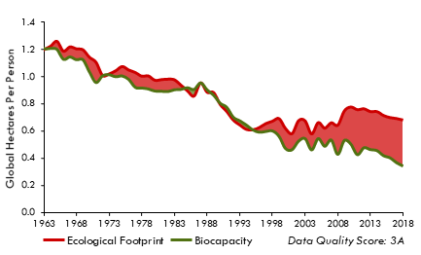 | Afghanistan | 3A | 53.9 | 64 | 0.509 | $565 | Middle East/Central Asia | LI | 0.7 | 0.3 | (0.3)
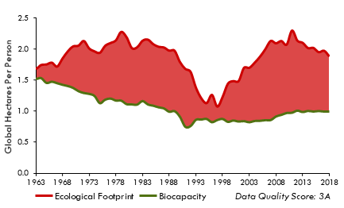 | Albania | 3A | 71 | 78 | 0.792 | $5,046 | Other Europe | UM | 1.9 | 1.0 | (0.9)
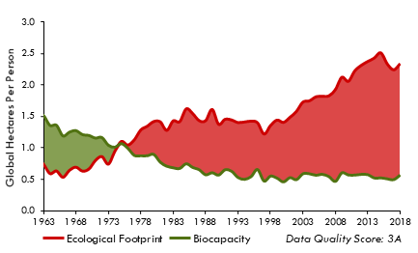 | Algeria | 3A | 70.9 | 77 | 0.746 | $4,760 | Africa | UM | 2.3 | 0.6 | (1.8)
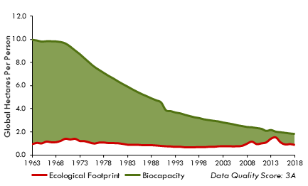 | Angola | 3A | 50.3 | 61 | 0.582 | $3,234 | Africa | LM | 0.9 | 1.8 | 1.0
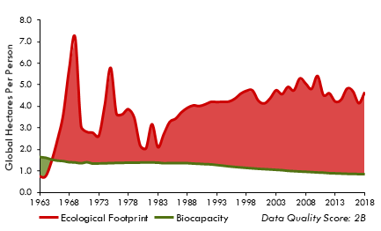 | Antigua and Barbuda | 2B | 0 | 77 | 0.772 | $15,135 | Central America/Caribbean | HI | 4.7 | 0.9 | (3.8)
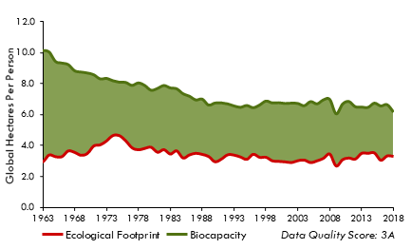 | Argentina | 3A | 72.8 | 77 | 0.842 | $10,076 | South America | UM | 3.3 | 6.2 | 2.9
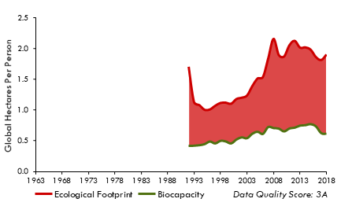 | Armenia | 3A | 71.8 | 75 | 0.771 | $4,407 | Middle East/Central Asia | LM | 1.9 | 0.6 | (1.3)
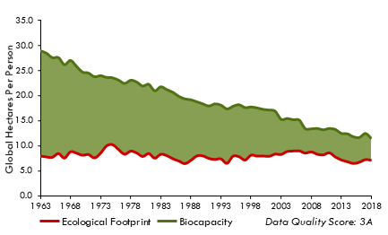 | Australia | 3A | 75.6 | 83 | 0.943 | $57,032 | Asia-Pacific | HI | 7.1 | 11.5 | 4.4
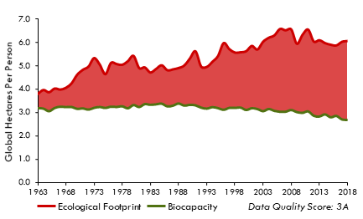 | Austria | 3A | 82.1 | 82 | 0.921 | $49,711 | EU | HI | 6.1 | 2.7 | (3.4)
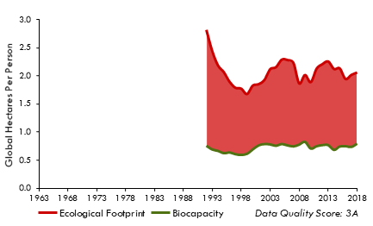 | Azerbaijan | 3A | 72.4 | 73 | 0.754 | $5,795 | Middle East/Central Asia | UM | 2.1 | 0.8 | (1.3)
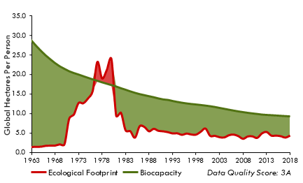 | Bahamas | 3A | 0 | 74 | 0.812 | $28,846 | Central America/Caribbean | HI | 4.3 | 9.2 | 4.9
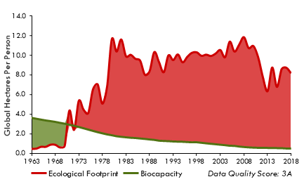 | Bahrain | 3A | 66.1 | 77 | 0.852 | $21,478 | Middle East/Central Asia | HI | 8.2 | 0.5 | (7.7)
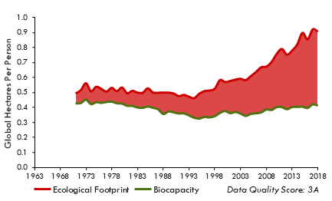 | Bangladesh | 3A | 63.5 | 72 | 0.625 | $1,202 | Asia-Pacific | LI | 0.9 | 0.4 | (0.5)
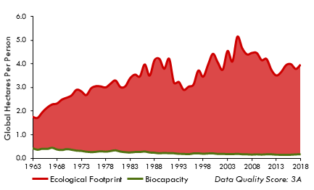 | Barbados | 3A | 68.4 | 79 | 0.81 | $16,137 | Central America/Caribbean | HI | 4.0 | 0.2 | (3.8)
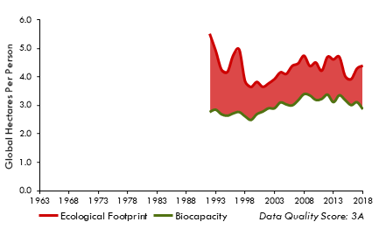 | Belarus | 3A | 78.8 | 74 | 0.823 | $6,608 | Other Europe | UM | 4.4 | 2.9 | (1.5)
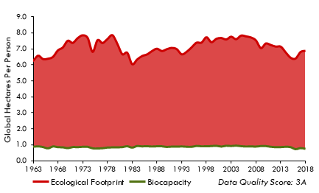 | Belgium | 3A | 82.2 | 82 | 0.93 | $46,768 | EU | HI | 6.9 | 0.8 | (6.1)
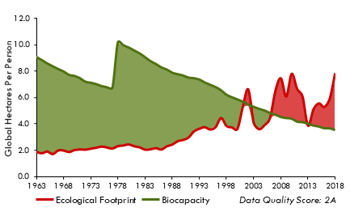 | Belize | 2A | 64.4 | 74 | 0.714 | $4,217 | Central America/Caribbean | UM | 7.9 | 3.5 | (4.4)
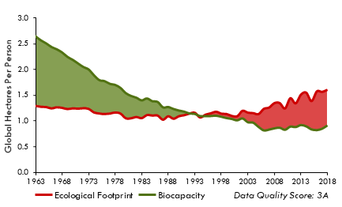 | Benin | 3A | 49.9 | 61 | 0.541 | $1,211 | Africa | LI | 1.6 | 0.9 | (0.7)
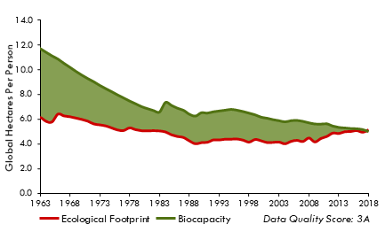 | Bhutan | 3A | 70 | 71 | 0.649 | $3,129 | Asia-Pacific | LM | 5.2 | 5.0 | (0.2)
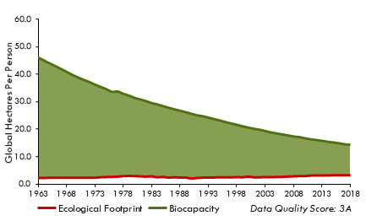 | Bolivia | 3A | 67.6 | 71 | 0.714 | $2,560 | South America | LM | 3.1 | 14.2 | 11.1
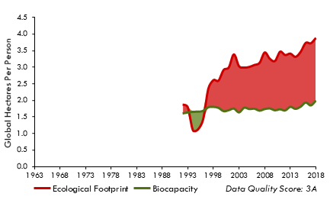 | Bosnia and Herzegovina | 3A | 73.7 | 77 | 0.777 | $6,097 | Other Europe | UM | 3.9 | 2.0 | (1.9)
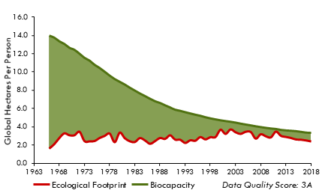 | Botswana | 3A | 61.9 | 69 | 0.73 | $8,033 | Africa | UM | 2.4 | 3.3 | 0.9
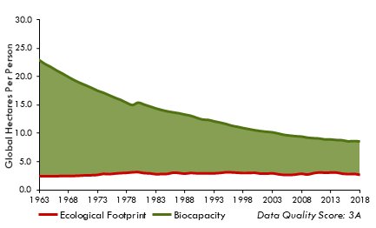 | Brazil | 3A | 71.3 | 76 | 0.762 | $11,076 | South America | UM | 2.6 | 8.6 | 6.0
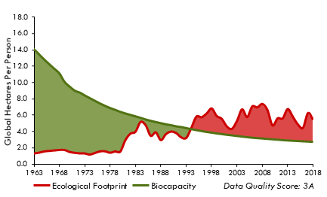 | Brunei Darussalam | 3A | 68.3 | 76 | 0.836 | $31,437 | Asia-Pacific | HI | 5.4 | 2.7 | (2.7)
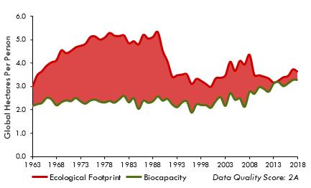 | Bulgaria | 2A | 73.8 | 75 | 0.813 | $8,642 | EU | UM | 3.6 | 3.3 | (0.3)
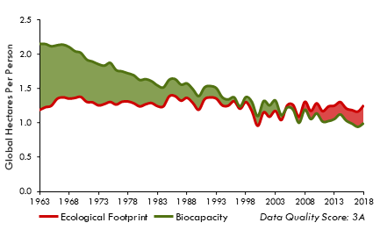 | Burkina Faso | 3A | 53.5 | 61 | 0.443 | $800 | Africa | LI | 1.3 | 1.0 | (0.3)
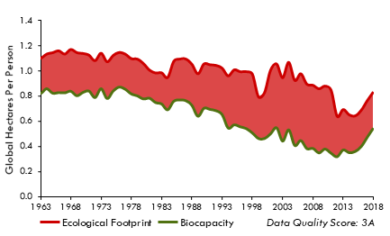 | Burundi | 3A | 51.8 | 61 | 0.431 | $211 | Africa | LI | 0.8 | 0.5 | (0.3)
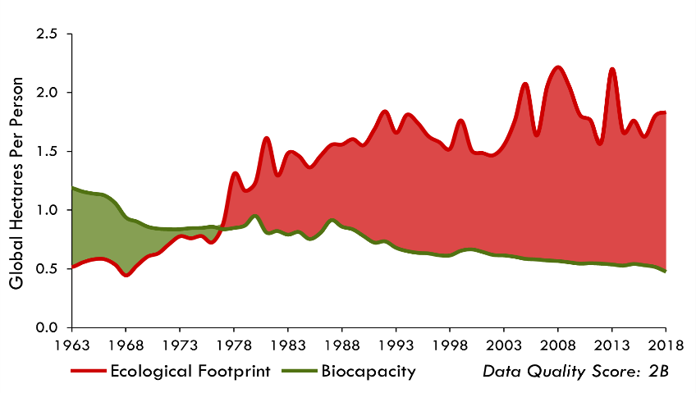 | Cabo Verde | 2B | 68.1 | 73 | 0.663 | $3,740 | Africa | LM | 1.8 | 0.5 | (1.4)
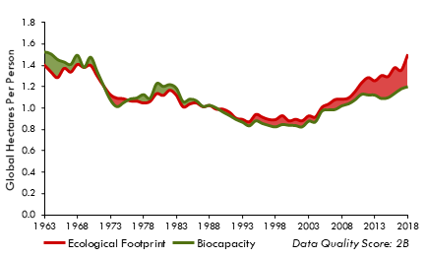 | Cambodia | 2B | 64.5 | 70 | 0.585 | $1,203 | Asia-Pacific | LI | 1.5 | 1.2 | (0.3)
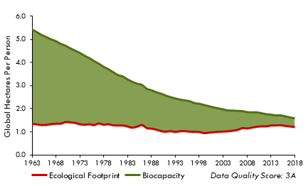 | Cameroon | 3A | 55.3 | 59 | 0.56 | $1,502 | Africa | LM | 1.2 | 1.6 | 0.4
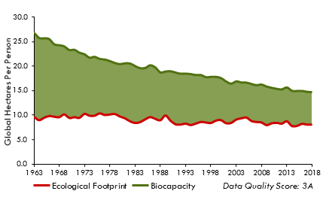 | Canada | 3A | 79.2 | 82 | 0.928 | $51,518 | North America | HI | 8.1 | 14.7 | 6.7
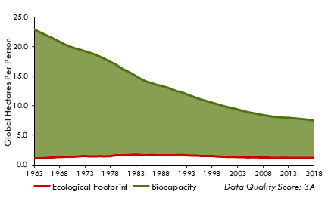 | Central African Republic | 3A | 38.3 | 53 | 0.395 | $379 | Africa | LI | 1.2 | 7.5 | 6.3
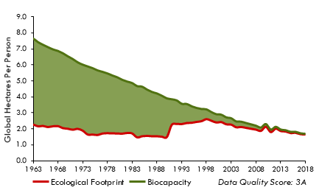 | Chad | 3A | 40.9 | 54 | 0.397 | $812 | Africa | LI | 1.7 | 1.7 | 0.1
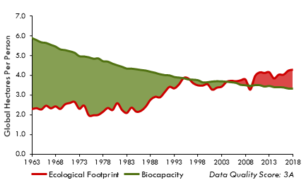 | Chile | 3A | 77.1 | 80 | 0.849 | $15,110 | South America | UM | 4.3 | 3.3 | (1.0)
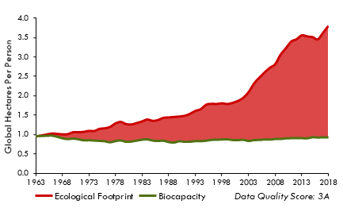 | China | 3A | 72.1 | 77 | 0.755 | $7,469 | Asia-Pacific | UM | 3.8 | 0.9 | (2.9)
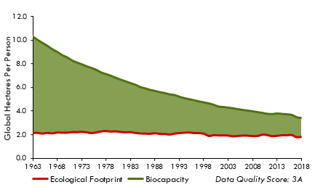 | Colombia | 3A | 70.6 | 77 | 0.764 | $7,692 | South America | UM | 1.9 | 3.4 | 1.6
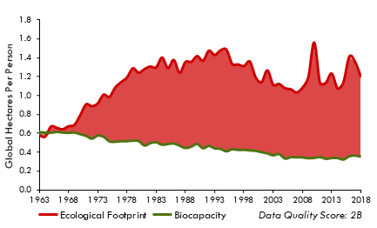 | Comoros | 2B | 0 | 64 | 0.552 | $1,403 | Africa | LI | 1.2 | 0.4 | (0.8)
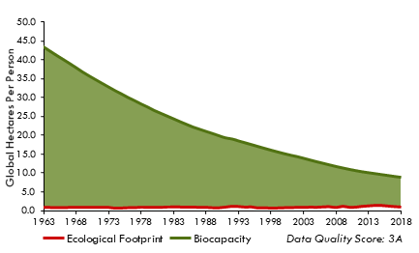 | Congo | 3A | 52.9 | 64 | 0.573 | $2,304 | Africa | LM | 1.0 | 8.8 | 7.7
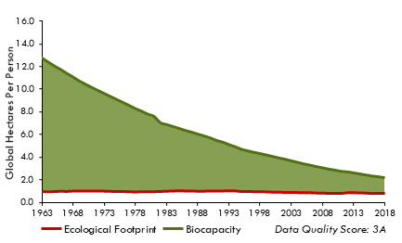 | Congo, Democratic Republic of | 3A | 49.3 | 60 | 0.478 | $419 | Africa | LI | 0.8 | 2.2 | 1.4
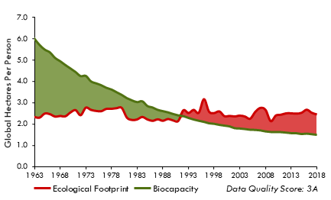 | Costa Rica | 3A | 73.6 | 80 | 0.808 | $9,937 | Central America/Caribbean | UM | 2.4 | 1.5 | (0.9)
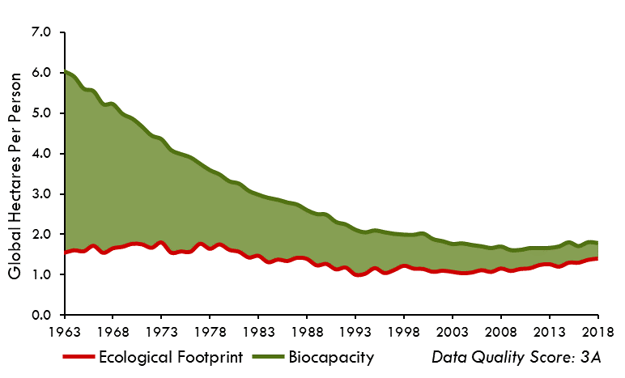 | Côte d'Ivoire | 3A | 57.6 | 57 | 0.534 | $1,668 | Africa | LM | 1.4 | 1.8 | 0.4
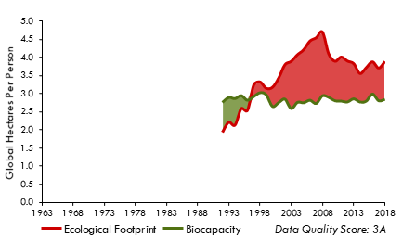 | Croatia | 3A | 80.4 | 78 | 0.848 | $15,708 | Other Europe | HI | 3.9 | 2.8 | (1.0)
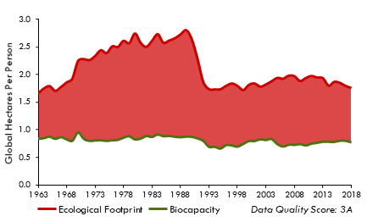 | Cuba | 3A | 73.7 | 79 | 0.781 | $6,817 | Central America/Caribbean | UM | 1.8 | 0.8 | (1.0)
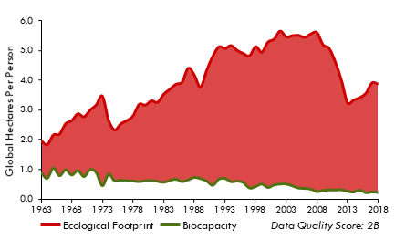 | Cyprus | 2B | 74.9 | 81 | 0.885 | $23,395 | EU | HI | 3.9 | 0.2 | (3.6)
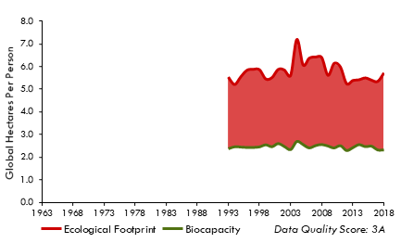 | Czech Republic | 3A | 81.4 | 79 | 0.898 | $23,721 | EU | HI | 5.7 | 2.3 | (3.4)
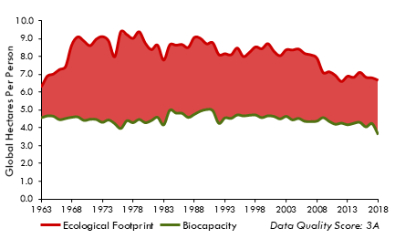 | Denmark | 3A | 84.9 | 81 | 0.939 | $64,672 | EU | HI | 6.7 | 3.6 | (3.0)
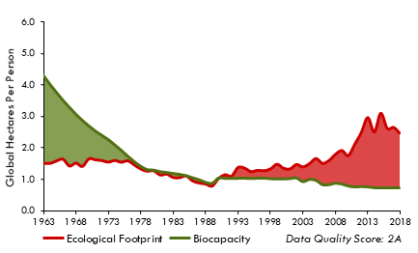 | Djibouti | 2A | 53.8 | 67 | 0.518 | - | Africa | LM | 2.4 | 0.7 | (1.7)
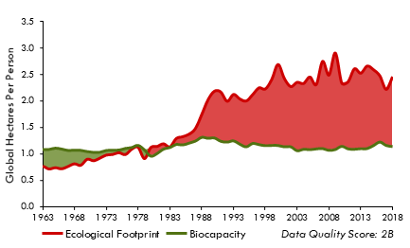 | Dominica | 2B | 0 | 0 | 0.738 | $6,697 | Central America/Caribbean | UM | 2.5 | 1.1 | (1.3)
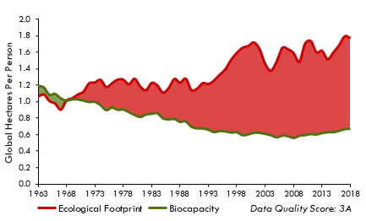 | Dominican Republic | 3A | 70.8 | 74 | 0.751 | $7,698 | Central America/Caribbean | UM | 1.8 | 0.7 | (1.1)
 | Ecuador | 2B | 72.5 | 77 | 0.762 | $5,181 | South America | UM | 1.7 | 1.9 | 0.2
 | Egypt | 2B | 68.6 | 72 | 0.701 | $2,906 | Africa | LM | 1.8 | 0.4 | (1.5)
 | El Salvador | 3A | 67.9 | 73 | 0.67 | $3,507 | Central America/Caribbean | LM | 2.0 | 0.6 | (1.4)
 | Equatorial Guinea | 2A | 0 | 58 | 0.582 | $10,135 | Africa | HI | 2.0 | 3.4 | 1.3
 | Eritrea | 3A | 0 | 66 | 0.456 | - | Africa | LI | 0.8 | 2.3 | 1.4
 | Estonia | 3A | 81.6 | 78 | 0.889 | $19,919 | EU | HI | 8.0 | 9.3 | 1.3
 | Eswatini | 3A | 53.3 | 59 | 0.605 | $4,762 | Africa | LM | 2.5 | 1.0 | (1.5)
 | Ethiopia | 3A | 54.5 | 66 | 0.478 | $571 | Africa | LI | 1.0 | 0.6 | (0.5)
 | Fiji | 3A | 71.2 | 67 | 0.742 | $4,795 | Asia-Pacific | UM | 2.7 | 2.3 | (0.3)
 | Finland | 3A | 85.9 | 82 | 0.937 | $48,890 | EU | HI | 6.4 | 12.1 | 5.7
 | France | 3A | 81.7 | 83 | 0.898 | $45,057 | EU | HI | 4.4 | 2.4 | (2.0)
 | French Guiana | 2A |  |  |  |  | South America | 0 | 1.9 | 92.1 | 90.3
 | French Polynesia | 2B |  | 77 |  | - | Asia-Pacific | HI | 4.0 | 1.3 | (2.7)
 | Gabon | 2A | 62.8 | 66 | 0.697 | $9,051 | Africa | UM | 2.0 | 18.9 | 17.0
 | Gambia | 3A | 59.3 | 62 | 0.487 | $791 | Africa | LI | 1.0 | 0.5 | (0.5)
 | Georgia | 2A | 72.2 | 74 | 0.805 | $4,407 | Middle East/Central Asia | LM | 2.3 | 1.3 | (1.1)
 | Germany | 3A | 82.5 | 81 | 0.946 | $47,158 | EU | HI | 4.7 | 1.5 | (3.2)
 | Ghana | 3A | 62.5 | 64 | 0.606 | $1,808 | Africa | LM | 2.0 | 1.3 | (0.7)
 | Greece | 3A | 75.4 | 82 | 0.881 | $24,044 | EU | HI | 4.1 | 1.2 | (2.9)
 | Grenada | 2B | 0 | 72 | 0.773 | $9,092 | Central America/Caribbean | UM | 2.5 | 2.1 | (0.4)
 | Guadeloupe | 2B |  |  |  |  | Central America/Caribbean | 0 | 3.6 | 0.5 | (3.1)
 | Guatemala | 3A | 59.9 | 74 | 0.657 | $3,164 | Central America/Caribbean | LM | 1.8 | 1.0 | (0.9)
 | Guinea | 3A | 51 | 61 | 0.473 | $897 | Africa | LI | 1.8 | 2.1 | 0.2
 | Guinea-Bissau | 3A | 0 | 58 | 0.472 | $623 | Africa | LI | 1.5 | 2.7 | 1.2
 | Guyana | 3A | 57.9 | 70 | 0.68 | $5,825 | South America | LM | 3.4 | 72.7 | 69.3
 | Haiti | 3A | 51.4 | 64 | 0.508 | $1,282 | Central America/Caribbean | LI | 0.6 | 0.2 | (0.4)
 | Honduras | 2B | 62.8 | 75 | 0.633 | $2,219 | Central America/Caribbean | LM | 1.6 | 1.7 | 0.2
 | Hungary | 2A | 78.8 | 76 | 0.85 | $16,894 | EU | HI | 3.9 | 2.6 | (1.3)
 | India | 3A | 60.1 | 69 | 0.642 | $2,085 | Asia-Pacific | LM | 1.2 | 0.4 | (0.8)
 | Indonesia | 3A | 66.3 | 72 | 0.712 | $4,296 | Asia-Pacific | LM | 1.7 | 1.2 | (0.5)
 | Iran, Islamic Republic of | 2A | 70 | 76 | 0.785 | $6,443 | Middle East/Central Asia | UM | 3.3 | 0.7 | (2.5)
 | Iraq | 2A | 63.8 | 70 | 0.671 | $5,464 | Middle East/Central Asia | LM | 1.8 | 0.2 | (1.6)
 | Ireland | 2A | 81 | 82 | 0.951 | $77,407 | EU | HI | 5.3 | 3.1 | (2.2)
 | Israel | 3A | 75 | 83 | 0.916 | $36,867 | Middle East/Central Asia | HI | 4.7 | 0.2 | (4.5)
 | Italy | 3A | 78.8 | 83 | 0.89 | $35,277 | EU | HI | 4.3 | 0.8 | (3.5)
 | Jamaica | 3A | 69 | 74 | 0.734 | $4,855 | Central America/Caribbean | UM | 1.6 | 0.4 | (1.2)
 | Japan | 3A | 79.8 | 84 | 0.917 | $48,506 | Asia-Pacific | HI | 4.6 | 0.6 | (4.0)
 | Jordan | 3A | 70.1 | 74 | 0.728 | $3,307 | Middle East/Central Asia | UM | 1.8 | 0.2 | (1.6)
 | Kazakhstan | 3A | 71.6 | 73 | 0.819 | $11,136 | Middle East/Central Asia | UM | 5.0 | 3.6 | (1.4)
 | Kenya | 3A | 60.6 | 66 | 0.599 | $1,201 | Africa | LI | 1.0 | 0.5 | (0.5)
 | Korea, Democratic People's Republic of | 3A | 0 | 72 |  | - | Asia-Pacific | LI | 1.2 | 0.6 | (0.6)
 | Korea, Republic of | 3A | 78.6 | 83 | 0.914 | $28,336 | Asia-Pacific | HI | 6.3 | 0.6 | (5.7)
 | Kuwait | 3A | 62.5 | 75 | 0.807 | $33,113 | Middle East/Central Asia | HI | 7.9 | 0.5 | (7.4)
 | Kyrgyzstan | 2A | 74 | 71 | 0.696 | $1,094 | Middle East/Central Asia | LI | 1.5 | 1.2 | (0.3)
 | Lao People's Democratic Republic | 3A | 63 | 68 | 0.609 | $1,786 | Asia-Pacific | LM | 1.8 | 1.7 | (0.1)
 | Latvia | 3A | 79.2 | 75 | 0.863 | $16,252 | EU | HI | 6.4 | 8.2 | 1.8
 | Lebanon | 3A | 66.8 | 79 | 0.747 | $6,205 | Middle East/Central Asia | UM | 3.0 | 0.3 | (2.7)
 | Lesotho | 3A | 54.6 | 54 | 0.522 | $1,375 | Africa | LM | 1.5 | 0.8 | (0.7)
 | Liberia | 2A | 48.6 | 64 | 0.48 | $541 | Africa | LI | 1.2 | 3.0 | 1.7
 | Libyan Arab Jamahiriya | 3A | 0 | 73 | 0.721 | $8,039 | Africa | UM | 3.3 | 0.6 | (2.7)
 | Lithuania | 3A | 76.7 | 76 | 0.876 | $17,744 | EU | UM | 6.0 | 4.7 | (1.3)
 | Luxembourg | 3A | 74.2 | 82 | 0.913 | $111,381 | EU | HI | 13.0 | 1.2 | (11.7)
 | Madagascar | 3A | 49 | 67 | 0.527 | $490 | Africa | LI | 1.0 | 2.2 | 1.3
 | Malawi | 3A | 51.4 | 64 | 0.478 | $515 | Africa | LI | 0.9 | 0.7 | (0.2)
 | Malaysia | 3A | 70.9 | 76 | 0.805 | $12,116 | Asia-Pacific | UM | 4.3 | 2.2 | (2.1)
 | Mali | 3A | 52.2 | 59 | 0.431 | $779 | Africa | LI | 1.6 | 1.9 | 0.2
 | Malta | 2B | 75.7 | 82 | 0.894 | $31,604 | EU | HI | 5.5 | 0.5 | (5.0)
 | Martinique | 2B |  |  |  |  | Central America/Caribbean | 0 | 3.5 | 0.4 | (3.1)
 | Mauritania | 2A | 55.5 | 65 | 0.542 | $1,704 | Africa | LM | 2.5 | 3.9 | 1.4
 | Mauritius | 2B | 66.7 | 74 | 0.801 | $10,561 | Africa | UM | 3.2 | 0.7 | (2.6)
 | Mexico | 3A | 69.1 | 75 | 0.776 | $10,381 | North America | UM | 2.4 | 1.2 | (1.2)
 | Mongolia | 3A | 63.8 | 70 | 0.735 | $4,211 | Asia-Pacific | LM | 7.3 | 14.1 | 6.9
 | Montenegro | 3A | 68.2 | 77 | 0.826 | $8,180 | Other Europe | UM | 4.2 | 2.5 | (1.7)
 | Morocco | 2A | 70.5 | 76 | 0.68 | $3,414 | Africa | LM | 1.8 | 0.8 | (1.0)
 | Mozambique | 3A | 51.1 | 60 | 0.452 | $593 | Africa | LI | 0.8 | 1.6 | 0.8
 | Myanmar | 3A | 64.9 | 67 | 0.579 | $1,573 | Asia-Pacific | LI | 1.7 | 1.9 | 0.2
 | Namibia | 2A | 61.8 | 63 | 0.645 | $5,942 | Africa | UM | 2.5 | 6.3 | 3.8
 | Nepal | 3A | 66.5 | 70 | 0.596 | $818 | Asia-Pacific | LI | 1.2 | 0.6 | (0.6)
 | Netherlands | 3A | 81.6 | 82 | 0.942 | $55,369 | EU | HI | 5.7 | 0.8 | (4.9)
 | New Zealand | 2B | 79.1 | 82 | 0.928 | $39,215 | Asia-Pacific | HI | 5.3 | 8.8 | 3.5
 | Nicaragua | 3A | 66.3 | 74 | 0.659 | $1,857 | Central America/Caribbean | LM | 1.4 | 2.2 | 0.8
 | Niger | 3A | 49.5 | 62 | 0.391 | $552 | Africa | LI | 1.5 | 1.3 | (0.2)
 | Nigeria | 3A | 48.9 | 54 | 0.534 | $2,384 | Africa | LM | 1.1 | 0.7 | (0.4)
 | Norway | 3A | 82 | 83 | 0.956 | $91,608 | Other Europe | HI | 5.7 | 6.9 | 1.2
 | Oman | 3A | 70.1 | 78 | 0.813 | $15,797 | Middle East/Central Asia | HI | 6.3 | 1.4 | (4.9)
 | Pakistan | 3A | 57.7 | 67 | 0.552 | $1,197 | Asia-Pacific | LM | 0.8 | 0.3 | (0.4)
 | Panama | 3A | 68 | 78 | 0.812 | $11,755 | Central America/Caribbean | UM | 2.9 | 2.5 | (0.4)
 | Papua New Guinea | 2A | 51.3 | 64 | 0.549 | $2,398 | Asia-Pacific | LM | 1.7 | 3.4 | 1.7
 | Paraguay | 3A | 66.9 | 74 | 0.727 | $5,380 | South America | LM | 3.1 | 10.1 | 7.0
 | Peru | 3A | 71.1 | 77 | 0.771 | $6,440 | South America | UM | 2.4 | 3.6 | 1.2
 | Philippines | 3A | 64.5 | 71 | 0.711 | $3,188 | Asia-Pacific | LM | 1.5 | 0.5 | (1.0)
 | Poland | 3A | 80.2 | 78 | 0.877 | $16,666 | EU | HI | 4.8 | 1.9 | (2.9)
 | Portugal | 3A | 78.6 | 81 | 0.86 | $24,180 | EU | HI | 4.6 | 1.3 | (3.3)
 | Qatar | 3A | 66.7 | 80 | 0.845 | $63,990 | Middle East/Central Asia | HI | 14.3 | 0.9 | (13.4)
 | Republic of Moldova | 3A | 73.7 | 72 | 0.746 | $2,356 | Other Europe | LM | 1.9 | 1.2 | (0.6)
 | Republic of North Macedonia | 3A | 72.5 | 76 | 0.77 | $5,452 | Other Europe | UM | 3.1 | 1.5 | (1.6)
 | Réunion | 2B |  |  |  |  | Africa | 0 | 4.6 | 0.2 | (4.4)
 | Romania | 3A | 75 | 75 | 0.823 | $11,535 | EU | UM | 3.6 | 3.2 | (0.4)
 | Russian Federation | 3A | 73.8 | 73 | 0.823 | $11,940 | Other Europe | UM | 5.3 | 6.7 | 1.4
 | Rwanda | 3A | 57.6 | 69 | 0.54 | $845 | Africa | LI | 0.8 | 0.4 | (0.4)
 | Saint Lucia | 3A | 0 | 76 | 0.758 | $9,237 | Central America/Caribbean | UM | 2.3 | 0.3 | (1.9)
 | Samoa | 2B | 0 | 73 | 0.709 | $3,754 | Asia-Pacific | LM | 2.7 | 1.7 | (0.9)
 | Sao Tome and Principe | 2B | 58.8 | 70 | 0.624 | $1,297 | Africa | LM | 1.3 | 0.8 | (0.5)
 | Saudi Arabia | 3A | 66.3 | 75 | 0.854 | $20,829 | Middle East/Central Asia | HI | 5.0 | 0.4 | (4.5)
 | Senegal | 3A | 58.4 | 68 | 0.516 | $1,547 | Africa | LM | 1.4 | 1.1 | (0.3)
  | Serbia | 3A | 75.6 | 76 | 0.803 | $5,472 | Other Europe | UM | 3.1 | 1.7 | (1.4)
 | Sierra Leone | 3A | 51.7 | 54 | 0.447 | $473 | Africa | LI | 1.1 | 1.0 | (0.1)
 | Singapore | 3A | 69.9 | 83 | 0.936 | $57,838 | Asia-Pacific | HI | 5.9 | 0.1 | (5.9)
 | Slovakia | 3A | 79.6 | 77 | 0.858 | $20,539 | EU | HI | 4.7 | 2.8 | (1.9)
 | Slovenia | 3A | 81.6 | 81 | 0.912 | $26,710 | EU | HI | 5.4 | 2.2 | (3.2)
 | Solomon Islands | 2A | 0 | 73 | 0.564 | $1,774 | Asia-Pacific | LI | 1.8 | 3.6 | 1.9
 | Somalia | 3A | 45.6 | 57 |  | - | Africa | LI | 1.0 | 0.8 | (0.2)
 | South Africa | 3A | 63.7 |  | 0.707 | $7,440 | Africa | UM | 3.8 | 1.0 | (2.8)
 | South Sudan | 3A | 38.9 | 58 | 0.429 | - | Africa | LM | 1.6 | 1.7 | 0.1
 | Spain | 3A | 79.5 | 83 | 0.905 | $32,981 | EU | HI | 4.4 | 1.5 | (2.9)
 | Sri Lanka | 3A | 68.1 | 77 | 0.779 | $4,028 | Asia-Pacific | LM | 1.5 | 0.5 | (1.1)
 | State of Palestine | 2B |  | 74 | 0.708 | $2,805 | Middle East/Central Asia | LM | 1.1 | 0.1 | (1.0)
 | Sudan | 3A | 49.5 | 65 | 0.506 | $1,590 | Africa | LM | 1.5 | 1.4 | (0.1)
  | Suriname | 3A | 67 | 72 | 0.734 | $8,100 | South America | UM | 3.1 | 80.4 | 77.3
 | Sweden | 3A | 85.6 | 83 | 0.943 | $59,068 | EU | HI | 6.3 | 9.0 | 2.7
 | Switzerland | 3A | 80.1 | 84 | 0.955 | $79,173 | Other Europe | HI | 4.3 | 1.0 | (3.4)
 | Syrian Arab Republic | 3A | 58 | 72 | 0.563 | - | Middle East/Central Asia | LM | 1.3 | 0.5 | (0.9)
 | Tajikistan | 2A | 69.8 | 71 | 0.661 | $1,073 | Middle East/Central Asia | LI | 1.1 | 0.5 | (0.7)
 | Tanzania, United Republic of | 3A | 56.4 | 65 | 0.524 | $931 | Africa | LI | 1.2 | 1.0 | (0.2)
 | Thailand | 3A | 74.2 | 77 | 0.772 | $6,366 | Asia-Pacific | UM | 2.4 | 1.3 | (1.1)
 | Timor-Leste | 2A | 0 | 69 | 0.599 | $840 | Asia-Pacific | LM | 0.6 | 1.7 | 1.1
 | Togo | 3A | 53.2 | 61 | 0.51 | $677 | Africa | LI | 1.0 | 0.6 | (0.4)
 | Tonga | 2B | 0 | 71 | 0.723 | $4,378 | Asia-Pacific | LM | 2.9 | 1.1 | (1.8)
 | Trinidad and Tobago | 2A | 63.5 | 73 | 0.795 | $15,161 | Central America/Caribbean | HI | 7.4 | 1.5 | (5.9)
 | Tunisia | 3A | 71.4 | 77 | 0.738 | $4,408 | Africa | UM | 2.0 | 0.7 | (1.3)
 | Turkey | 3A | 70.4 | 77 | 0.817 | $15,181 | Middle East/Central Asia | UM | 3.3 | 1.3 | (2.0)
 | Turkmenistan | 3A | 61.1 | 68 | 0.71 | $7,648 | Middle East/Central Asia | LM | 4.9 | 2.3 | (2.6)
 | Uganda | 3A | 53.5 | 63 | 0.538 | $934 | Africa | LI | 1.1 | 0.5 | (0.6)
 | Ukraine | 2A | 75.5 | 72 | 0.774 | $2,961 | Other Europe | LM | 2.4 | 2.7 | 0.3
 | United Arab Emirates | 3A | 70.2 | 78 | 0.889 | $41,325 | Middle East/Central Asia | HI | 8.1 | 0.5 | (7.6)
 | United Kingdom | 3A | 80 | 81 | 0.928 | $42,894 | EU | HI | 4.2 | 1.0 | (3.2)
 | United States of America | 3A | 76 | 79 | 0.925 | $54,724 | North America | HI | 8.1 | 3.4 | (4.7)
 | Uruguay | 3A | 74.5 | 78 | 0.816 | $14,618 | South America | UM | 1.3 | 9.3 | 8.1
  | Uzbekistan | 3A | 69.8 | 72 | 0.717 | $2,409 | Middle East/Central Asia | LM | 2.0 | 0.7 | (1.4)
 | Vanuatu | 2C | 60.5 | 70 | 0.603 | $2,865 | Asia-Pacific | LM | 0.0 | 0.0 | 0.0
 | Venezuela, Bolivarian Republic of | 3A | 59.3 | 72 | 0.733 | - | South America | UM | 2.4 | 2.8 | 0.4
 | Viet Nam | 3A | 72.8 | 75 | 0.7 | $1,968 | Asia-Pacific | LM | 2.3 | 0.9 | (1.3)
 | Yemen | 3A | 52.9 | 66 | 0.468 | $633 | Middle East/Central Asia | LM | 0.5 | 0.4 | (0.1)
 | Zambia | 3A | 53.4 |  | 0.582 | $1,678 | Africa | LM | 1.3 | 1.8 | 0.5
 | Zimbabwe | 3A | 58.7 |  | 0.569 | $1,306 | Africa | LI | 1.2 | 0.6 | (0.6)

Country Results 2022 Ed (2018)

2022 EDITION NATIONAL FOOTPRINT AND BIOCAPACITY ACCOUNTS (DATA YEAR 2018)
Visualize and explore results from the National Footprint and Biocapacity Accounts 2022 Edition at data.footprintnetwork.org
© 2022, Global Footprint Network, York University, FoDaFo. National Footprint and Biocapacity Accounts, 2022 Edition. For more information, contact data@footprintnetwork.org
 |  |  |  |  |  |  |  |  | Ecological Footprint of Production (global hectares per person) |  |  |  |  |  |  | Ecological Footprint of Consumption (global hectares per person) |  |  |  |  |  |  | Biocapacity (global hectares per person)
Country | Data Quality | SDGi | Life Exectancy | HDI | Number Records | Region | Income Group | Population (millions) | Cropland Footprint | Grazing Footprint | Forest Product Footprint | Fish Footprint | Built up land | Carbon Footprint | Total Ecological Footprint (Production) | Cropland Footprint | Grazing Footprint | Forest Product Footprint | Fish Footprint | Built up land | Carbon Footprint | Total Ecological Footprint (Consumption) | Cropland | Grazing land | Forest land | Fishing ground | Built up land | Total biocapacity | Ecological (Deficit) or Reserve | Number of Earths required | Number of Countries required | actual Overshoot Day 2018
 |  |  |  |  |  | World |  | 7,631.1 | 0.5 | 0.1 | 0.3 | 0.1 | 0.1 | 1.7 | 2.8 | 0.5 | 0.1 | 0.3 | 0.1 | 0.1 | 1.7 | 2.8 | 0.5 | 0.2 | 0.7 | 0.1 | 0.1 | 1.6 | (1.2) | 1.8 | 1.8 | 2018-07-22 18:40:00
 |  |  |  | See Note | 184 Records | Filtered Total of All Countries |  | 7,624.0 | 0.5 | 0.1 | 0.3 | 0.1 | 0.1 | 1.5 | 2.6 | 0.5 | 0.1 | 0.3 | 0.1 | 0.1 | 1.6 | 2.8 | 0.5 | 0.2 | 0.7 | 0.2 | 0.1 | 1.6 | (1.2) | 1.8 | 1.7 | 2018-07-28 05:13:14
 |  |  |  |  | 54 Records | Africa |  | 1,275.0 | 0.4 | 0.2 | 0.2 | 0.0 | 0.1 | 0.3 | 1.2 | 0.4 | 0.2 | 0.2 | 0.0 | 0.1 | 0.4 | 1.4 | 0.4 | 0.3 | 0.3 | 0.1 | 0.1 | 1.1 | (0.3) | 0.9 | 1.2 | 2019-02-14 03:10:54
 |  |  |  |  | 31 Records | Asia-Pacific |  | 4,138.7 | 0.4 | 0.1 | 0.1 | 0.1 | 0.1 | 1.5 | 2.2 | 0.5 | 0.1 | 0.2 | 0.1 | 0.1 | 1.5 | 2.4 | 0.4 | 0.1 | 0.2 | 0.1 | 0.1 | 0.8 | (1.6) | 1.5 | 2.9 | 2018-08-27 06:07:59
 |  |  |  |  | 20 Records | Central America/Caribbean |  | 88.6 | 0.2 | 0.1 | 0.2 | 0.1 | 0.0 | 0.6 | 1.5 | 0.4 | 0.1 | 0.3 | 0.1 | 0.0 | 0.7 | 1.9 | 0.2 | 0.1 | 0.3 | 0.2 | 0.0 | 1.1 | (0.8) | 1.2 | 1.7 | 2018-11-08 23:40:17
 |  |  |  |  | 27 Records | EU |  | 507.6 | 0.7 | 0.1 | 0.6 | 0.1 | 0.1 | 2.2 | 3.9 | 0.8 | 0.2 | 0.6 | 0.1 | 0.1 | 2.8 | 4.7 | 0.7 | 0.1 | 0.8 | 0.2 | 0.1 | 2.0 | (2.7) | 3.0 | 2.4 | 2018-05-04 16:59:09
 |  |  |  |  | 24 Records | Middle East/Central Asia |  | 460.9 | 0.3 | 0.1 | 0.1 | 0.1 | 0.0 | 2.1 | 2.7 | 0.5 | 0.2 | 0.1 | 0.1 | 0.0 | 2.0 | 2.9 | 0.3 | 0.2 | 0.1 | 0.1 | 0.0 | 0.8 | (2.1) | 1.9 | 3.7 | 2018-07-16 07:04:21
 |  |  |  |  | 3 Records | North America |  | 490.4 | 1.1 | 0.3 | 0.9 | 0.1 | 0.1 | 4.2 | 6.6 | 0.8 | 0.3 | 0.8 | 0.1 | 0.1 | 4.6 | 6.6 | 1.1 | 0.3 | 1.7 | 0.5 | 0.1 | 3.7 | (3.0) | 4.2 | 1.8 | 2018-03-28 23:37:46
 |  |  |  |  | 12 Records | Other Europe |  | 239.2 | 1.1 | 0.0 | 0.9 | 0.3 | 0.1 | 3.1 | 5.4 | 0.6 | 0.1 | 0.6 | 0.2 | 0.1 | 2.9 | 4.5 | 1.1 | 0.3 | 2.9 | 0.8 | 0.1 | 5.1 | 0.6 | 2.8 | 0.9 | 2018-05-10 08:30:44
 |  |  |  |  | 13 Records | South America |  | 423.6 | 1.0 | 0.8 | 0.6 | 0.1 | 0.1 | 0.8 | 3.4 | 0.5 | 0.6 | 0.4 | 0.1 | 0.1 | 0.8 | 2.6 | 1.0 | 0.9 | 4.5 | 0.3 | 0.1 | 6.9 | 4.3 | 1.6 | 0.4 | 2018-08-11 04:59:16
 |  |  |  |  | 36 Records |  | Low Income (LI) | 954.0 | 0.3 | 0.1 | 0.2 | 0.0 | 0.1 | 0.1 | 0.9 | 0.4 | 0.1 | 0.2 | 0.0 | 0.1 | 0.2 | 1.1 | 0.3 | 0.2 | 0.3 | 0.1 | 0.1 | 1.0 | (0.1) | 0.7 | 1.1 | 2019-06-21 13:05:34
 |  |  |  |  | 49 Records |  | Lower-Middle Income (LM) | 2,860.3 | 0.4 | 0.1 | 0.1 | 0.1 | 0.1 | 0.6 | 1.3 | 0.4 | 0.1 | 0.1 | 0.1 | 0.1 | 0.6 | 1.4 | 0.4 | 0.1 | 0.2 | 0.1 | 0.1 | 0.8 | (0.6) | 0.9 | 1.7 | 2019-02-23 23:44:43
 |  |  |  |  | 47 Records |  | Upper-Middle Income (UM) | 2,664.3 | 0.6 | 0.2 | 0.3 | 0.1 | 0.1 | 2.2 | 3.4 | 0.6 | 0.2 | 0.3 | 0.1 | 0.1 | 2.2 | 3.5 | 0.6 | 0.3 | 1.1 | 0.2 | 0.1 | 2.2 | (1.3) | 2.2 | 1.6 | 2018-06-15 06:48:24
 |  |  |  |  | 48 Records |  | High Income (HI) | 1,143.4 | 0.8 | 0.2 | 0.7 | 0.1 | 0.1 | 3.7 | 5.6 | 0.8 | 0.2 | 0.6 | 0.2 | 0.1 | 4.1 | 6.0 | 0.8 | 0.2 | 1.1 | 0.4 | 0.1 | 2.7 | (3.3) | 3.8 | 2.2 | 2018-04-07 06:15:15

Country | Data Quality | SDGi | Life Expectancy | HDI | Per Capita GDP | Region | Income Group | Population (millions) | Cropland Footprint | Grazing Footprint | Forest Product Footprint | Fish Footprint | Built up land | Carbon Footprint | Total Ecological Footprint (Production) | Cropland Footprint | Grazing Footprint | Forest Product Footprint | Fish Footprint | Built up land | Carbon Footprint | Total Ecological Footprint (Consumption) | Cropland | Grazing land | Forest land | Fishing ground | Built up land | Total biocapacity | Ecological (Deficit) or Reserve | Number of Earths required | Number of Countries required | actual Country Overshoot Day 2018
Afghanistan | 3A | 53.9 | 64 | 0.51 | $565 | Middle East/Central Asia | LI | 37.2 | 0.1 | 0.2 | 0.1 | 0.0 | 0.0 | 0.1 | 0.5 | 0.3 | 0.2 | 0.1 | 0.0 | 0.0 | 0.2 | 0.7 | 0.1 | 0.2 | 0.0 | 0.0 | 0.0 | 0.3 | (0.3) | 0.4 | 2.0
Albania | 3A | 71.0 | 78 | 0.79 | $5,046 | Other Europe | UM | 2.9 | 0.4 | 0.2 | 0.2 | 0.0 | 0.0 | 0.6 | 1.4 | 0.5 | 0.2 | 0.2 | 0.0 | 0.0 | 0.9 | 1.9 | 0.4 | 0.2 | 0.3 | 0.1 | 0.0 | 1.0 | (0.9) | 1.2 | 1.9 | 2018-11-03 05:06:29
Algeria | 3A | 70.9 | 77 | 0.75 | $4,760 | Africa | UM | 42.2 | 0.2 | 0.1 | 0.1 | 0.0 | 0.0 | 1.2 | 1.7 | 0.6 | 0.2 | 0.2 | 0.0 | 0.0 | 1.3 | 2.3 | 0.2 | 0.2 | 0.0 | 0.0 | 0.0 | 0.6 | (1.8) | 1.5 | 4.1 | 2018-09-04 18:23:39
Angola | 3A | 50.3 | 61 | 0.58 | $3,234 | Africa | LM | 30.8 | 0.2 | 0.1 | 0.1 | 0.1 | 0.0 | 0.2 | 0.7 | 0.3 | 0.1 | 0.1 | 0.1 | 0.0 | 0.2 | 0.9 | 0.2 | 0.9 | 0.5 | 0.2 | 0.0 | 1.8 | 1.0 | 0.5 | 0.5
Antigua and Barbuda | 2B |  | 77 | 0.77 | $15,135 | Central America/Caribbean | HI | 0.1 |  |  |  |  |  |  | 1.9 |  |  |  |  |  |  | 4.7 |  |  |  |  |  | 0.9 | (3.8) | 2.9 | 5.4 | 2018-05-05 02:11:50
Argentina | 3A | 72.8 | 77 | 0.84 | $10,076 | South America | UM | 44.4 | 2.2 | 1.0 | 0.3 | 0.2 | 0.1 | 1.4 | 5.1 | 0.9 | 0.7 | 0.3 | 0.1 | 0.1 | 1.2 | 3.3 | 2.2 | 1.7 | 0.6 | 1.5 | 0.1 | 6.2 | 2.9 | 2.1 | 0.5 | 2018-06-24 10:14:45
Armenia | 3A | 71.8 | 75 | 0.77 | $4,407 | Middle East/Central Asia | LM | 3.0 | 0.2 | 0.2 | 0.2 | 0.0 | 0.0 | 0.7 | 1.3 | 0.5 | 0.2 | 0.3 | 0.0 | 0.0 | 0.9 | 1.9 | 0.2 | 0.3 | 0.1 | 0.0 | 0.0 | 0.6 | (1.3) | 1.2 | 3.1 | 2018-10-31 23:13:22
Australia | 3A | 75.6 | 83 | 0.94 | $57,032 | Asia-Pacific | HI | 24.9 | 1.9 | 2.4 | 1.0 | 0.0 | 0.0 | 5.4 | 10.8 | 0.8 | 0.5 | 0.9 | 0.1 | 0.0 | 4.7 | 7.1 | 1.9 | 4.6 | 2.0 | 2.9 | 0.0 | 11.5 | 4.4 | 4.5 | 0.6 | 2018-03-23 12:29:34
Austria | 3A | 82.1 | 82 | 0.92 | $49,711 | EU | HI | 8.9 | 0.5 | 0.1 | 1.3 | 0.0 | 0.1 | 2.5 | 4.6 | 0.8 | 0.3 | 0.9 | 0.1 | 0.1 | 3.9 | 6.1 | 0.5 | 0.1 | 1.9 | 0.0 | 0.1 | 2.7 | (3.4) | 3.8 | 2.3 | 2018-04-06 06:04:15
Azerbaijan | 3A | 72.4 | 73 | 0.75 | $5,795 | Middle East/Central Asia | UM | 9.9 | 0.4 | 0.2 | 0.0 | 0.0 | 0.1 | 1.1 | 1.8 | 0.6 | 0.2 | 0.1 | 0.0 | 0.1 | 1.1 | 2.1 | 0.4 | 0.2 | 0.1 | 0.0 | 0.1 | 0.8 | (1.3) | 1.3 | 2.6 | 2018-10-08 09:44:52
Bahamas | 3A |  | 74 | 0.81 | $28,846 | Central America/Caribbean | HI | 0.4 | 0.0 | 0.0 | 0.1 | 0.1 | 0.0 | 1.7 | 1.9 | 0.6 | 0.3 | 0.2 | 0.1 | 0.0 | 3.0 | 4.3 | 0.0 | 0.0 | 1.1 | 8.0 | 0.0 | 9.2 | 4.9 | 2.7 | 0.5 | 2018-05-15 19:46:48
Bahrain | 3A | 66.1 | 77 | 0.85 | $21,478 | Middle East/Central Asia | HI | 1.6 | 0.0 | 0.0 | 0.0 | 0.0 | 0.1 | 7.2 | 7.3 | 0.6 | 0.3 | 0.2 | 0.1 | 0.1 | 6.9 | 8.2 | 0.0 | 0.0 | 0.0 | 0.4 | 0.1 | 0.5 | (7.7) | 5.2 | 17.6 | 2018-03-12 16:18:50
Bangladesh | 3A | 63.5 | 72 | 0.63 | $1,202 | Asia-Pacific | LI | 161.4 | 0.3 | 0.0 | 0.1 | 0.0 | 0.1 | 0.2 | 0.6 | 0.4 | 0.0 | 0.1 | 0.0 | 0.1 | 0.3 | 0.9 | 0.3 | 0.0 | 0.0 | 0.1 | 0.1 | 0.4 | (0.5) | 0.6 | 2.2
Barbados | 3A | 68.4 | 79 | 0.81 | $16,137 | Central America/Caribbean | HI | 0.3 | 0.1 | 0.0 | 0.0 | 0.1 | 0.1 | 1.7 | 1.9 | 0.6 | 0.3 | 0.1 | 0.3 | 0.1 | 2.7 | 4.0 | 0.1 | 0.0 | 0.0 | 0.0 | 0.1 | 0.2 | (3.8) | 2.5 | 21.3 | 2018-05-26 12:26:25
Belarus | 3A | 78.8 | 74 | 0.82 | $6,608 | Other Europe | UM | 9.5 | 0.9 | 0.2 | 1.7 | 0.0 | 0.0 | 2.3 | 5.1 | 0.7 | 0.1 | 1.3 | 0.1 | 0.0 | 2.1 | 4.4 | 0.9 | 0.2 | 1.7 | 0.0 | 0.0 | 2.9 | (1.5) | 2.8 | 1.5 | 2018-05-12 04:43:41
Belgium | 3A | 82.2 | 82 | 0.93 | $46,768 | EU | HI | 11.5 | 0.3 | 0.0 | 0.3 | 0.0 | 0.1 | 2.9 | 3.7 | 1.1 | 0.4 | 0.6 | 0.1 | 0.1 | 4.6 | 6.9 | 0.3 | 0.0 | 0.3 | 0.0 | 0.1 | 0.8 | (6.1) | 4.3 | 9.0 | 2018-03-26 03:18:05
Belize | 2A | 64.4 | 74 | 0.71 | $4,217 | Central America/Caribbean | UM | 0.4 | 0.5 | 0.2 | 0.2 | 5.2 | 0.0 | 0.4 | 6.5 | 0.5 | 0.3 | 0.3 | 5.1 | 0.0 | 1.6 | 7.9 | 0.5 | 0.2 | 1.9 | 0.9 | 0.0 | 3.5 | (4.4) | 5.0 | 2.2 | 2018-03-15 09:02:54
Benin | 3A | 49.9 | 61 | 0.54 | $1,211 | Africa | LI | 11.5 | 0.6 | 0.0 | 0.2 | 0.0 | 0.1 | 0.2 | 1.2 | 0.8 | 0.0 | 0.2 | 0.1 | 0.1 | 0.4 | 1.6 | 0.6 | 0.0 | 0.2 | 0.0 | 0.1 | 0.9 | (0.7) | 1.0 | 1.7 | 2018-12-26 08:45:50
Bhutan | 3A | 70.0 | 71 | 0.65 | $3,129 | Asia-Pacific | LM | 0.8 | 0.2 | 0.3 | 2.7 | 0.0 | 0.2 | 0.8 | 4.3 | 0.5 | 0.4 | 2.8 | 0.0 | 0.2 | 1.2 | 5.2 | 0.2 | 0.3 | 4.2 | 0.0 | 0.2 | 5.0 | (0.2) | 3.3 | 1.0 | 2018-04-22 23:25:14
Bolivia | 3A | 67.6 | 71 | 0.71 | $2,560 | South America | LM | 11.4 | 0.6 | 1.6 | 0.2 | 0.0 | 0.1 | 0.7 | 3.2 | 0.5 | 1.6 | 0.2 | 0.0 | 0.1 | 0.7 | 3.1 | 0.6 | 2.0 | 11.5 | 0.0 | 0.1 | 14.2 | 11.1 | 2.0 | 0.2 | 2018-07-05 19:57:23
Bosnia and Herzegovina | 3A | 73.7 | 77 | 0.78 | $6,097 | Other Europe | UM | 3.3 | 0.5 | 0.2 | 0.8 | 0.0 | 0.0 | 2.4 | 3.9 | 0.9 | 0.4 | 0.6 | 0.0 | 0.0 | 2.0 | 3.9 | 0.5 | 0.2 | 1.3 | 0.0 | 0.0 | 2.0 | (1.9) | 2.5 | 1.9 | 2018-05-29 09:54:36
Botswana | 3A | 61.9 | 69 | 0.73 | $8,033 | Africa | UM | 2.3 | 0.1 | 0.5 | 0.1 | 0.0 | 0.0 | 1.1 | 1.9 | 0.3 | 0.1 | 0.2 | 0.0 | 0.0 | 1.7 | 2.4 | 0.1 | 2.2 | 0.8 | 0.2 | 0.0 | 3.3 | 0.9 | 1.5 | 0.7 | 2018-09-01 19:32:06
Brazil | 3A | 71.3 | 76 | 0.76 | $11,076 | South America | UM | 209.5 | 1.2 | 0.8 | 0.7 | 0.0 | 0.1 | 0.7 | 3.6 | 0.6 | 0.7 | 0.5 | 0.0 | 0.1 | 0.7 | 2.6 | 1.2 | 0.8 | 6.3 | 0.2 | 0.1 | 8.6 | 6.0 | 1.6 | 0.3 | 2018-08-12 05:02:00
Brunei Darussalam | 3A | 68.3 | 76 | 0.84 | $31,437 | Asia-Pacific | HI | 0.4 | 0.0 | 0.0 | 0.1 | 0.3 | 0.0 | 5.8 | 6.2 | 0.5 | 0.3 | 0.2 | 0.4 | 0.0 | 4.0 | 5.4 | 0.0 | 0.0 | 1.5 | 1.2 | 0.0 | 2.7 | (2.7) | 3.4 | 2.0 | 2018-04-17 16:04:52
Bulgaria | 2A | 73.8 | 75 | 0.81 | $8,642 | EU | UM | 7.1 | 1.7 | 0.1 | 0.5 | 0.0 | 0.2 | 2.1 | 4.6 | 0.7 | 0.2 | 0.5 | 0.0 | 0.2 | 2.1 | 3.6 | 1.7 | 0.1 | 1.2 | 0.1 | 0.2 | 3.3 | (0.3) | 2.3 | 1.1 | 2018-06-09 12:38:35
Burkina Faso | 3A | 53.5 | 61 | 0.44 | $800 | Africa | LI | 19.8 | 0.5 | 0.1 | 0.3 | 0.0 | 0.1 | 0.1 | 1.2 | 0.5 | 0.1 | 0.3 | 0.0 | 0.1 | 0.2 | 1.3 | 0.5 | 0.1 | 0.2 | 0.0 | 0.1 | 1.0 | (0.3) | 0.8 | 1.3
Burundi | 3A | 51.8 | 61 | 0.43 | $211 | Africa | LI | 11.2 | 0.4 | 0.1 | 0.2 | 0.0 | 0.1 | 0.0 | 0.8 | 0.4 | 0.1 | 0.2 | 0.0 | 0.1 | 0.0 | 0.8 | 0.4 | 0.1 | 0.0 | 0.0 | 0.1 | 0.5 | (0.3) | 0.5 | 1.5
Cabo Verde | 2B | 68.1 | 73 | 0.66 | $3,740 | Africa | LM | 0.5 |  |  |  |  |  |  | 1.6 |  |  |  |  |  |  | 1.8 |  |  |  |  |  | 0.5 | (1.4) | 1.2 | 3.9 | 2018-11-11 22:41:16
Cambodia | 2B | 64.5 | 70 | 0.59 | $1,203 | Asia-Pacific | LI | 16.2 |  |  |  |  |  |  | 1.3 |  |  |  |  |  |  | 1.5 |  |  |  |  |  | 1.2 | (0.3) | 0.9 | 1.3
Cameroon | 3A | 55.3 | 59 | 0.56 | $1,502 | Africa | LM | 25.2 | 0.6 | 0.1 | 0.3 | 0.0 | 0.1 | 0.1 | 1.1 | 0.6 | 0.1 | 0.2 | 0.1 | 0.1 | 0.2 | 1.2 | 0.6 | 0.1 | 0.8 | 0.1 | 0.1 | 1.6 | 0.4 | 0.8 | 0.8
Canada | 3A | 79.2 | 82 | 0.93 | $51,518 | North America | HI | 37.1 | 2.8 | 0.3 | 2.9 | 0.2 | 0.1 | 5.4 | 11.7 | 0.9 | 0.3 | 1.4 | 0.1 | 0.1 | 5.3 | 8.1 | 2.8 | 0.3 | 8.3 | 3.2 | 0.1 | 14.7 | 6.7 | 5.1 | 0.5 | 2018-03-13 14:59:43
Central African Republic | 3A | 38.3 | 53 | 0.40 | $379 | Africa | LI | 4.7 | 0.3 | 0.6 | 0.3 | 0.0 | 0.0 | 0.0 | 1.2 | 0.3 | 0.5 | 0.3 | 0.0 | 0.0 | 0.0 | 1.2 | 0.3 | 0.6 | 6.6 | 0.0 | 0.0 | 7.5 | 6.3 | 0.8 | 0.2
Chad | 3A | 40.9 | 54 | 0.40 | $812 | Africa | LI | 15.5 | 0.4 | 0.9 | 0.2 | 0.0 | 0.1 | 0.0 | 1.6 | 0.4 | 0.9 | 0.2 | 0.0 | 0.1 | 0.0 | 1.7 | 0.4 | 0.9 | 0.3 | 0.1 | 0.1 | 1.7 | 0.1 | 1.0 | 1.0 | 2018-12-16 19:32:49
Chile | 3A | 77.1 | 80 | 0.85 | $15,110 | South America | UM | 18.7 | 0.3 | 0.2 | 2.1 | 0.4 | 0.1 | 1.7 | 4.8 | 0.6 | 0.4 | 1.1 | 0.2 | 0.1 | 1.9 | 4.3 | 0.3 | 0.4 | 2.1 | 0.4 | 0.1 | 3.3 | (1.0) | 2.7 | 1.3 | 2018-05-15 13:14:16
China | 3A | 72.1 | 77 | 0.76 | $7,469 | Asia-Pacific | UM | 1,459.4 | 0.5 | 0.1 | 0.1 | 0.1 | 0.1 | 2.6 | 3.5 | 0.6 | 0.1 | 0.2 | 0.1 | 0.1 | 2.7 | 3.8 | 0.5 | 0.1 | 0.2 | 0.0 | 0.1 | 0.9 | (2.9) | 2.4 | 4.1 | 2018-06-02 03:30:11
Colombia | 3A | 70.6 | 77 | 0.76 | $7,692 | South America | UM | 49.7 | 0.2 | 0.6 | 0.1 | 0.0 | 0.0 | 0.5 | 1.6 | 0.4 | 0.6 | 0.1 | 0.0 | 0.0 | 0.7 | 1.9 | 0.2 | 1.1 | 2.0 | 0.1 | 0.0 | 3.4 | 1.6 | 1.2 | 0.5 | 2018-11-08 03:11:05
Comoros | 2B |  | 64 | 0.55 | $1,403 | Africa | LI | 0.8 |  |  |  |  |  |  | 0.9 |  |  |  |  |  |  | 1.2 |  |  |  |  |  | 0.4 | (0.8) | 0.8 | 3.4
Congo | 3A | 52.9 | 64 | 0.57 | $2,304 | Africa | LM | 5.2 | 0.1 | 0.0 | 0.4 | 0.1 | 0.0 | 0.2 | 0.9 | 0.3 | 0.1 | 0.3 | 0.1 | 0.0 | 0.2 | 1.0 | 0.1 | 2.5 | 5.8 | 0.3 | 0.0 | 8.8 | 7.7 | 0.6 | 0.1
Congo, Democratic Republic of | 3A | 49.3 | 60 | 0.48 | $419 | Africa | LI | 84.1 | 0.2 | 0.0 | 0.4 | 0.0 | 0.1 | 0.0 | 0.7 | 0.2 | 0.0 | 0.4 | 0.0 | 0.1 | 0.0 | 0.8 | 0.2 | 0.3 | 1.6 | 0.0 | 0.1 | 2.2 | 1.4 | 0.5 | 0.4
Costa Rica | 3A | 73.6 | 80 | 0.81 | $9,937 | Central America/Caribbean | UM | 5.0 | 0.4 | 0.3 | 0.4 | 0.0 | 0.1 | 0.6 | 1.8 | 0.4 | 0.2 | 0.7 | 0.1 | 0.1 | 1.0 | 2.4 | 0.4 | 0.3 | 0.7 | 0.1 | 0.1 | 1.5 | (0.9) | 1.5 | 1.6 | 2018-08-25 03:22:07
Côte d'Ivoire | 3A | 57.6 | 57 | 0.53 | $1,668 | Africa | LM | 25.1 | 1.1 | 0.0 | 0.2 | 0.0 | 0.1 | 0.2 | 1.6 | 0.6 | 0.0 | 0.2 | 0.2 | 0.1 | 0.3 | 1.4 | 1.1 | 0.5 | 0.1 | 0.0 | 0.1 | 1.8 | 0.4 | 0.9 | 0.8
Croatia | 3A | 80.4 | 78 | 0.85 | $15,708 | Other Europe | HI | 4.2 | 0.7 | 0.0 | 0.8 | 0.0 | 0.1 | 1.4 | 3.1 | 0.6 | 0.2 | 0.6 | 0.1 | 0.1 | 2.3 | 3.9 | 0.7 | 0.1 | 1.6 | 0.3 | 0.1 | 2.8 | (1.0) | 2.5 | 1.4 | 2018-05-29 20:20:39
Cuba | 3A | 73.7 | 79 | 0.78 | $6,817 | Central America/Caribbean | UM | 11.3 | 0.3 | 0.1 | 0.1 | 0.0 | 0.0 | 0.8 | 1.3 | 0.5 | 0.1 | 0.1 | 0.0 | 0.0 | 1.0 | 1.8 | 0.3 | 0.1 | 0.2 | 0.2 | 0.0 | 0.8 | (1.0) | 1.1 | 2.3 | 2018-11-25 00:12:33
Cyprus | 2B | 74.9 | 81 | 0.89 | $23,395 | EU | HI | 1.2 |  |  |  |  |  |  | 2.1 |  |  |  |  |  |  | 3.9 |  |  |  |  |  | 0.2 | (3.6) | 2.4 | 18.7 | 2018-05-31 00:49:33
Czech Republic | 3A | 81.4 | 79 | 0.90 | $23,721 | EU | HI | 10.7 | 0.9 | 0.1 | 1.5 | 0.0 | 0.1 | 3.3 | 5.9 | 0.7 | 0.3 | 1.1 | 0.0 | 0.1 | 3.5 | 5.7 | 0.9 | 0.1 | 1.3 | 0.0 | 0.1 | 2.3 | (3.4) | 3.6 | 2.5 | 2018-04-12 00:44:30
Denmark | 3A | 84.9 | 81 | 0.94 | $64,672 | EU | HI | 5.8 | 1.4 | 0.0 | 0.4 | 0.6 | 0.2 | 1.9 | 4.4 | 0.7 | 0.5 | 1.1 | 0.8 | 0.2 | 3.5 | 6.7 | 1.4 | 0.0 | 0.3 | 1.8 | 0.2 | 3.6 | (3.0) | 4.2 | 1.8 | 2018-03-28 19:43:05
Djibouti | 2A | 53.8 | 67 | 0.52 | - | Africa | LM | 1.0 | 0.0 | 0.2 | 0.2 | 0.0 | 0.2 | 0.3 | 0.9 | 1.5 | 0.0 | 0.3 | 0.0 | 0.2 | 0.4 | 2.4 | 0.0 | 0.2 | 0.0 | 0.3 | 0.2 | 0.7 | (1.7) | 1.5 | 3.4 | 2018-08-25 21:38:03
Dominica | 2B |  |  | 0.74 | $6,697 | Central America/Caribbean | UM | 0.1 |  |  |  |  |  |  | 1.3 |  |  |  |  |  |  | 2.5 |  |  |  |  |  | 1.1 | (1.3) | 1.6 | 2.2 | 2018-08-23 23:21:20
Dominican Republic | 3A | 70.8 | 74 | 0.75 | $7,698 | Central America/Caribbean | UM | 10.6 | 0.3 | 0.1 | 0.0 | 0.0 | 0.1 | 0.8 | 1.3 | 0.4 | 0.1 | 0.1 | 0.0 | 0.1 | 1.0 | 1.8 | 0.3 | 0.1 | 0.2 | 0.0 | 0.1 | 0.7 | (1.1) | 1.1 | 2.6 | 2018-11-23 13:45:58
Ecuador | 2B | 72.5 | 77 | 0.76 | $5,181 | South America | UM | 17.1 |  |  |  |  |  |  | 2.3 |  |  |  |  |  |  | 1.7 |  |  |  |  |  | 1.9 | 0.2 | 1.1 | 0.9 | 2018-12-06 07:20:43
Egypt | 2B | 68.6 | 72 | 0.70 | $2,906 | Africa | LM | 98.4 |  |  |  |  |  |  | 1.3 |  |  |  |  |  |  | 1.8 |  |  |  |  |  | 0.4 | (1.5) | 1.2 | 5.0 | 2018-11-11 13:48:18
El Salvador | 3A | 67.9 | 73 | 0.67 | $3,507 | Central America/Caribbean | LM | 6.4 | 0.2 | 0.1 | 0.3 | 0.2 | 0.0 | 0.4 | 1.2 | 0.4 | 0.2 | 0.4 | 0.1 | 0.0 | 0.8 | 2.0 | 0.2 | 0.1 | 0.1 | 0.1 | 0.0 | 0.6 | (1.4) | 1.3 | 3.4 | 2018-10-12 20:03:51
Equatorial Guinea | 2A |  | 58 | 0.58 | $10,135 | Africa | HI | 1.3 | 0.1 | 0.0 | 0.8 | 0.0 | 0.0 | 1.5 | 2.5 | 0.2 | 0.0 | 0.2 | 0.1 | 0.0 | 1.5 | 2.0 | 0.1 | 0.1 | 2.6 | 0.6 | 0.0 | 3.4 | 1.3 | 1.3 | 0.6 | 2018-10-13 17:20:13
Eritrea | 3A |  | 66 | 0.46 | - | Africa | LI | 3.5 | 0.1 | 0.3 | 0.1 | 0.0 | 0.0 | 0.1 | 0.7 | 0.2 | 0.3 | 0.1 | 0.0 | 0.0 | 0.1 | 0.8 | 0.1 | 0.3 | 0.1 | 1.6 | 0.0 | 2.3 | 1.4 | 0.5 | 0.4
Estonia | 3A | 81.6 | 78 | 0.89 | $19,919 | EU | HI | 1.3 | 0.9 | 0.1 | 5.3 | 0.3 | 0.1 | 4.0 | 10.6 | 0.3 | 0.2 | 4.0 | 0.1 | 0.1 | 3.4 | 8.0 | 0.9 | 0.1 | 4.0 | 4.3 | 0.1 | 9.3 | 1.3 | 5.1 | 0.9 | 2018-03-14 02:55:49
Eswatini | 3A | 53.3 | 59 | 0.61 | $4,762 | Africa | LM | 1.1 | 0.3 | 0.4 | 1.2 | 0.0 | 0.1 | 0.4 | 2.3 | 0.4 | 0.5 | 1.0 | 0.0 | 0.1 | 0.5 | 2.5 | 0.3 | 0.6 | 0.0 | 0.0 | 0.1 | 1.0 | (1.5) | 1.6 | 2.6 | 2018-08-23 10:46:27
Ethiopia | 3A | 54.5 | 66 | 0.48 | $571 | Africa | LI | 109.2 | 0.3 | 0.1 | 0.4 | 0.0 | 0.1 | 0.1 | 1.0 | 0.3 | 0.1 | 0.4 | 0.0 | 0.1 | 0.1 | 1.0 | 0.3 | 0.1 | 0.1 | 0.0 | 0.1 | 0.6 | (0.5) | 0.6 | 1.8
Fiji | 3A | 71.2 | 67 | 0.74 | $4,795 | Asia-Pacific | UM | 0.9 | 0.2 | 0.1 | 0.6 | 0.5 | 0.0 | 0.5 | 1.9 | 0.4 | 0.2 | 0.8 | 0.5 | 0.0 | 0.7 | 2.7 | 0.2 | 0.1 | 1.4 | 0.6 | 0.0 | 2.3 | (0.3) | 1.7 | 1.1 | 2018-08-05 13:37:44
Finland | 3A | 85.9 | 82 | 0.94 | $48,890 | EU | HI | 5.5 | 0.6 | 0.1 | 8.1 | 0.1 | 0.1 | 2.8 | 11.9 | 0.7 | 0.2 | 1.2 | 0.2 | 0.1 | 4.1 | 6.4 | 0.6 | 0.1 | 9.1 | 2.3 | 0.1 | 12.1 | 5.7 | 4.1 | 0.5 | 2018-03-31 15:36:14
France | 3A | 81.7 | 83 | 0.90 | $45,057 | EU | HI | 65.0 | 1.1 | 0.2 | 0.4 | 0.1 | 0.2 | 1.7 | 3.6 | 0.8 | 0.2 | 0.5 | 0.2 | 0.2 | 2.5 | 4.4 | 1.1 | 0.2 | 0.9 | 0.1 | 0.2 | 2.4 | (2.0) | 2.8 | 1.9 | 2018-05-11 15:52:15
French Guiana | 2A |  |  |  |  | South America |  | 0.3 | 0.1 | 0.1 | 0.4 | 0.1 | 0.0 | 0.7 | 1.3 | 0.1 | 0.1 | 0.4 | 0.1 | 0.0 | 1.3 | 1.9 | 0.1 | 0.1 | 78.2 | 13.7 | 0.0 | 92.1 | 90.3 | 1.2 | 0.0 | 2018-11-04 12:33:50
French Polynesia | 2B |  | 77 |  | - | Asia-Pacific | HI | 0.3 |  |  |  |  |  |  | 2.1 |  |  |  |  |  |  | 4.0 |  |  |  |  |  | 1.3 | (2.7) | 2.5 | 3.1 | 2018-05-25 13:38:26
Gabon | 2A | 62.8 | 66 | 0.70 | $9,051 | Africa | UM | 2.1 | 0.2 | 0.0 | 0.9 | 0.1 | 0.0 | 0.4 | 1.6 | 0.5 | 0.1 | 0.5 | 0.2 | 0.0 | 0.6 | 2.0 | 0.2 | 1.0 | 15.4 | 2.3 | 0.0 | 18.9 | 17.0 | 1.2 | 0.1 | 2018-10-23 17:28:42
Gambia | 3A | 59.3 | 62 | 0.49 | $791 | Africa | LI | 2.3 | 0.1 | 0.0 | 0.1 | 0.1 | 0.0 | 0.1 | 0.5 | 0.5 | 0.1 | 0.1 | 0.1 | 0.0 | 0.3 | 1.0 | 0.1 | 0.0 | 0.1 | 0.3 | 0.0 | 0.5 | (0.5) | 0.7 | 2.0
Georgia | 2A | 72.2 | 74 | 0.81 | $4,407 | Middle East/Central Asia | LM | 4.0 | 0.1 | 0.2 | 0.1 | 0.2 | 0.0 | 0.9 | 1.6 | 0.4 | 0.2 | 0.1 | 0.2 | 0.0 | 1.4 | 2.3 | 0.1 | 0.4 | 0.6 | 0.0 | 0.0 | 1.3 | (1.1) | 1.5 | 1.8 | 2018-09-07 00:00:16
Germany | 3A | 82.5 | 81 | 0.95 | $47,158 | EU | HI | 83.1 | 0.5 | 0.1 | 0.5 | 0.0 | 0.1 | 3.0 | 4.3 | 0.7 | 0.2 | 0.6 | 0.0 | 0.1 | 3.0 | 4.7 | 0.5 | 0.1 | 0.7 | 0.1 | 0.1 | 1.5 | (3.2) | 3.0 | 3.1 | 2018-05-04 15:12:18
Ghana | 3A | 62.5 | 64 | 0.61 | $1,808 | Africa | LM | 29.8 | 0.8 | 0.1 | 0.7 | 0.1 | 0.1 | 0.2 | 1.9 | 0.6 | 0.1 | 0.7 | 0.2 | 0.1 | 0.4 | 2.0 | 0.8 | 0.2 | 0.2 | 0.1 | 0.1 | 1.3 | (0.7) | 1.3 | 1.5 | 2018-10-16 03:45:45
Greece | 3A | 75.4 | 82 | 0.88 | $24,044 | EU | HI | 10.5 | 0.6 | 0.1 | 0.1 | 0.0 | 0.0 | 2.1 | 3.0 | 0.7 | 0.4 | 0.3 | 0.1 | 0.0 | 2.6 | 4.1 | 0.6 | 0.1 | 0.2 | 0.2 | 0.0 | 1.2 | (2.9) | 2.6 | 3.5 | 2018-05-21 22:11:24
Grenada | 2B |  | 72 | 0.77 | $9,092 | Central America/Caribbean | UM | 0.1 |  |  |  |  |  |  | 1.7 |  |  |  |  |  |  | 2.5 |  |  |  |  |  | 2.1 | (0.4) | 1.6 | 1.2 | 2018-08-16 18:29:08
Guadeloupe | 2B |  |  |  |  | Central America/Caribbean |  | 0.4 |  |  |  |  |  |  | 2.1 |  |  |  |  |  |  | 3.6 |  |  |  |  |  | 0.5 | (3.1) | 2.3 | 7.0 | 2018-06-09 16:38:06
Guatemala | 3A | 59.9 | 74 | 0.66 | $3,164 | Central America/Caribbean | LM | 17.2 | 0.4 | 0.1 | 0.5 | 0.0 | 0.1 | 0.4 | 1.5 | 0.4 | 0.2 | 0.6 | 0.0 | 0.1 | 0.6 | 1.8 | 0.4 | 0.1 | 0.3 | 0.0 | 0.1 | 1.0 | (0.9) | 1.1 | 1.9 | 2018-11-14 10:09:55
Guinea | 3A | 51.0 | 61 | 0.47 | $897 | Africa | LI | 12.4 | 0.5 | 0.5 | 0.4 | 0.1 | 0.1 | 0.1 | 1.6 | 0.6 | 0.5 | 0.4 | 0.1 | 0.1 | 0.2 | 1.8 | 0.5 | 0.7 | 0.6 | 0.3 | 0.1 | 2.1 | 0.2 | 1.2 | 0.9 | 2018-11-10 06:15:22
Guinea-Bissau | 3A |  | 58 | 0.47 | $623 | Africa | LI | 1.9 | 0.6 | 0.1 | 0.6 | 0.0 | 0.1 | 0.1 | 1.5 | 0.6 | 0.1 | 0.6 | 0.0 | 0.1 | 0.1 | 1.5 | 0.6 | 0.1 | 0.3 | 1.6 | 0.1 | 2.7 | 1.2 | 0.9 | 0.6
Guyana | 3A | 57.9 | 70 | 0.68 | $5,825 | South America | LM | 0.8 | 1.0 | 0.1 | 0.7 | 0.1 | 0.1 | 1.1 | 3.0 | 0.9 | 0.1 | 0.6 | 0.0 | 0.1 | 1.7 | 3.4 | 1.0 | 1.0 | 65.4 | 5.2 | 0.1 | 72.7 | 69.3 | 2.2 | 0.0 | 2018-06-19 12:59:41
Haiti | 3A | 51.4 | 64 | 0.51 | $1,282 | Central America/Caribbean | LI | 11.1 | 0.2 | 0.0 | 0.1 | 0.0 | 0.0 | 0.1 | 0.4 | 0.3 | 0.0 | 0.1 | 0.0 | 0.0 | 0.1 | 0.6 | 0.2 | 0.0 | 0.0 | 0.0 | 0.0 | 0.2 | (0.4) | 0.4 | 2.6
Honduras | 2B | 62.8 | 75 | 0.63 | $2,219 | Central America/Caribbean | LM | 9.6 |  |  |  |  |  |  | 1.4 |  |  |  |  |  |  | 1.6 |  |  |  |  |  | 1.7 | 0.2 | 1.0 | 0.9
Hungary | 2A | 78.8 | 76 | 0.85 | $16,894 | EU | HI | 9.7 | 1.6 | 0.0 | 0.3 | 0.0 | 0.2 | 1.7 | 3.9 | 0.7 | 0.1 | 0.4 | 0.0 | 0.2 | 2.4 | 3.9 | 1.6 | 0.1 | 0.7 | 0.0 | 0.2 | 2.6 | (1.3) | 2.4 | 1.5 | 2018-05-30 10:12:01
India | 3A | 60.1 | 69 | 0.64 | $2,085 | Asia-Pacific | LM | 1,352.6 | 0.3 | 0.0 | 0.1 | 0.0 | 0.1 | 0.6 | 1.2 | 0.3 | 0.0 | 0.1 | 0.0 | 0.1 | 0.7 | 1.2 | 0.3 | 0.0 | 0.0 | 0.0 | 0.1 | 0.4 | (0.8) | 0.8 | 2.7
Indonesia | 3A | 66.3 | 72 | 0.71 | $4,296 | Asia-Pacific | LM | 267.7 | 0.5 | 0.0 | 0.3 | 0.3 | 0.1 | 0.7 | 1.9 | 0.5 | 0.0 | 0.2 | 0.2 | 0.1 | 0.7 | 1.7 | 0.5 | 0.1 | 0.3 | 0.3 | 0.1 | 1.2 | (0.5) | 1.1 | 1.4 | 2018-12-03 09:34:17
Iran, Islamic Republic of | 2A | 70.0 | 76 | 0.79 | $6,443 | Middle East/Central Asia | UM | 81.8 | 0.3 | 0.1 | 0.0 | 0.2 | 0.1 | 2.6 | 3.3 | 0.6 | 0.1 | 0.0 | 0.2 | 0.1 | 2.3 | 3.3 | 0.3 | 0.1 | 0.1 | 0.2 | 0.1 | 0.7 | (2.5) | 2.1 | 4.5 | 2018-06-27 06:37:11
Iraq | 2A | 63.8 | 70 | 0.67 | $5,464 | Middle East/Central Asia | LM | 38.4 | 0.1 | 0.0 | 0.0 | 0.0 | 0.0 | 1.2 | 1.3 | 0.4 | 0.0 | 0.0 | 0.0 | 0.0 | 1.3 | 1.8 | 0.1 | 0.0 | 0.0 | 0.0 | 0.0 | 0.2 | (1.6) | 1.1 | 11.3 | 2018-11-24 09:48:48
Ireland | 2A | 81.0 | 82 | 0.95 | $77,407 | EU | HI | 4.8 | 0.4 | 0.7 | 0.5 | 0.4 | 0.1 | 2.7 | 4.7 | 0.9 | 0.3 | 0.6 | 0.1 | 0.1 | 3.2 | 5.3 | 0.4 | 0.7 | 0.5 | 1.4 | 0.1 | 3.1 | (2.2) | 3.3 | 1.7 | 2018-04-21 00:16:02
Israel | 3A | 75.0 | 83 | 0.92 | $36,867 | Middle East/Central Asia | HI | 8.4 | 0.1 | 0.0 | 0.0 | 0.0 | 0.0 | 2.6 | 2.7 | 0.7 | 0.3 | 0.3 | 0.1 | 0.0 | 3.2 | 4.7 | 0.1 | 0.0 | 0.0 | 0.0 | 0.0 | 0.2 | (4.5) | 2.9 | 25.4 | 2018-05-04 23:25:56
Italy | 3A | 78.8 | 83 | 0.89 | $35,277 | EU | HI | 60.7 | 0.4 | 0.0 | 0.1 | 0.0 | 0.0 | 1.9 | 2.4 | 0.8 | 0.3 | 0.5 | 0.1 | 0.0 | 2.6 | 4.3 | 0.4 | 0.0 | 0.3 | 0.1 | 0.0 | 0.8 | (3.5) | 2.7 | 5.2 | 2018-05-15 00:15:28
Jamaica | 3A | 69.0 | 74 | 0.73 | $4,855 | Central America/Caribbean | UM | 2.9 | 0.1 | 0.0 | 0.1 | 0.0 | 0.0 | 1.0 | 1.3 | 0.4 | 0.1 | 0.2 | 0.1 | 0.0 | 0.8 | 1.6 | 0.1 | 0.0 | 0.2 | 0.1 | 0.0 | 0.4 | (1.2) | 1.0 | 3.9 | 2018-12-20 13:19:00
Japan | 3A | 79.8 | 84 | 0.92 | $48,506 | Asia-Pacific | HI | 127.2 | 0.1 | 0.0 | 0.1 | 0.2 | 0.1 | 3.1 | 3.6 | 0.4 | 0.1 | 0.2 | 0.3 | 0.1 | 3.5 | 4.6 | 0.1 | 0.0 | 0.3 | 0.1 | 0.1 | 0.6 | (4.0) | 2.9 | 7.8 | 2018-05-06 08:50:04
Jordan | 3A | 70.1 | 74 | 0.73 | $3,307 | Middle East/Central Asia | UM | 10.0 | 0.1 | 0.0 | 0.0 | 0.0 | 0.1 | 0.9 | 1.0 | 0.4 | 0.1 | 0.1 | 0.0 | 0.1 | 1.0 | 1.8 | 0.1 | 0.0 | 0.0 | 0.0 | 0.1 | 0.2 | (1.6) | 1.1 | 11.7 | 2018-11-25 18:20:56
Kazakhstan | 3A | 71.6 | 73 | 0.82 | $11,136 | Middle East/Central Asia | UM | 18.3 | 1.6 | 0.1 | 0.0 | 0.0 | 0.0 | 4.1 | 5.9 | 0.9 | 0.2 | 0.1 | 0.0 | 0.0 | 3.7 | 5.0 | 1.6 | 1.7 | 0.2 | 0.1 | 0.0 | 3.6 | (1.4) | 3.1 | 1.4 | 2018-04-27 16:15:48
Kenya | 3A | 60.6 | 66 | 0.60 | $1,201 | Africa | LI | 51.4 | 0.2 | 0.2 | 0.2 | 0.0 | 0.0 | 0.1 | 0.8 | 0.3 | 0.2 | 0.2 | 0.0 | 0.0 | 0.2 | 1.0 | 0.2 | 0.2 | 0.0 | 0.0 | 0.0 | 0.5 | (0.5) | 0.6 | 2.1
Korea, Democratic People's Republic of | 3A |  | 72 |  | - | Asia-Pacific | LI | 25.5 | 0.2 | 0.0 | 0.1 | 0.0 | 0.0 | 0.7 | 1.1 | 0.2 | 0.0 | 0.1 | 0.0 | 0.0 | 0.7 | 1.2 | 0.2 | 0.0 | 0.2 | 0.1 | 0.0 | 0.6 | (0.6) | 0.7 | 2.1
Korea, Republic of | 3A | 78.6 | 83 | 0.91 | $28,336 | Asia-Pacific | HI | 51.2 | 0.1 | 0.0 | 0.1 | 0.3 | 0.1 | 4.3 | 4.9 | 0.7 | 0.2 | 0.2 | 0.4 | 0.1 | 4.7 | 6.3 | 0.1 | 0.0 | 0.1 | 0.4 | 0.1 | 0.6 | (5.7) | 4.0 | 9.8 | 2018-04-02 10:44:27
Kuwait | 3A | 62.5 | 75 | 0.81 | $33,113 | Middle East/Central Asia | HI | 4.1 | 0.0 | 0.0 | 0.0 | 0.0 | 0.2 | 7.7 | 7.9 | 0.7 | 0.3 | 0.2 | 0.1 | 0.2 | 6.5 | 7.9 | 0.0 | 0.0 | 0.0 | 0.3 | 0.2 | 0.5 | (7.4) | 5.0 | 15.8 | 2018-03-15 02:58:09
Kyrgyzstan | 2A | 74.0 | 71 | 0.70 | $1,094 | Middle East/Central Asia | LI | 6.3 | 0.4 | 0.2 | 0.0 | 0.0 | 0.1 | 0.6 | 1.3 | 0.4 | 0.2 | 0.0 | 0.0 | 0.1 | 0.8 | 1.5 | 0.4 | 0.5 | 0.1 | 0.0 | 0.1 | 1.2 | (0.3) | 1.0 | 1.3
Lao People's Democratic Republic | 3A | 63.0 | 68 | 0.61 | $1,786 | Asia-Pacific | LM | 7.1 | 0.7 | 0.1 | 0.4 | 0.0 | 0.2 | 0.9 | 2.3 | 0.7 | 0.2 | 0.4 | 0.0 | 0.2 | 0.3 | 1.8 | 0.7 | 0.1 | 0.7 | 0.0 | 0.2 | 1.7 | (0.1) | 1.2 | 1.1 | 2018-11-10 23:07:43
Latvia | 3A | 79.2 | 75 | 0.86 | $16,252 | EU | HI | 1.9 | 1.3 | 0.2 | 4.3 | 0.3 | 0.1 | 1.4 | 7.6 | 0.8 | 0.1 | 3.2 | 0.3 | 0.1 | 1.9 | 6.4 | 1.3 | 0.2 | 4.4 | 2.1 | 0.1 | 8.2 | 1.8 | 4.0 | 0.8 | 2018-04-01 04:27:59
Lebanon | 3A | 66.8 | 79 | 0.75 | $6,205 | Middle East/Central Asia | UM | 6.9 | 0.1 | 0.0 | 0.0 | 0.0 | 0.1 | 1.4 | 1.6 | 0.6 | 0.3 | 0.1 | 0.0 | 0.1 | 1.8 | 3.0 | 0.1 | 0.0 | 0.0 | 0.0 | 0.1 | 0.3 | (2.7) | 1.9 | 11.7 | 2018-07-14 21:50:10
Lesotho | 3A | 54.6 | 54 | 0.52 | $1,375 | Africa | LM | 2.1 | 0.1 | 0.4 | 0.4 | 0.0 | 0.0 | 0.4 | 1.3 | 0.3 | 0.3 | 0.4 | 0.0 | 0.0 | 0.6 | 1.5 | 0.1 | 0.7 | 0.0 | 0.0 | 0.0 | 0.8 | (0.7) | 1.0 | 1.9
Liberia | 2A | 48.6 | 64 | 0.48 | $541 | Africa | LI | 4.8 | 0.1 | 0.0 | 0.8 | 0.0 | 0.0 | 0.1 | 1.1 | 0.3 | 0.0 | 0.8 | 0.1 | 0.0 | 0.1 | 1.2 | 0.1 | 0.3 | 2.2 | 0.3 | 0.0 | 3.0 | 1.7 | 0.8 | 0.4
Libyan Arab Jamahiriya | 3A |  | 73 | 0.72 | $8,039 | Africa | UM | 6.7 | 0.1 | 0.2 | 0.1 | 0.0 | 0.0 | 2.5 | 2.9 | 0.7 | 0.2 | 0.1 | 0.1 | 0.0 | 2.1 | 3.3 | 0.1 | 0.2 | 0.0 | 0.2 | 0.0 | 0.6 | (2.7) | 2.1 | 5.5 | 2018-06-26 01:18:06
Lithuania | 3A | 76.7 | 76 | 0.88 | $17,744 | EU | UM | 2.8 | 1.9 | 0.1 | 1.5 | 0.1 | 0.1 | 1.6 | 5.4 | 0.8 | 0.3 | 1.4 | 0.2 | 0.1 | 3.1 | 6.0 | 1.9 | 0.1 | 2.3 | 0.3 | 0.1 | 4.7 | (1.3) | 3.8 | 1.3 | 2018-04-07 06:19:42
Luxembourg | 3A | 74.2 | 82 | 0.91 | $111,381 | EU | HI | 0.6 | 0.3 | 0.1 | 0.5 | 0.0 | 0.1 | 5.3 | 6.3 | 0.8 | 0.6 | 1.6 | 0.1 | 0.1 | 9.7 | 13.0 | 0.3 | 0.1 | 0.8 | 0.0 | 0.1 | 1.2 | (11.7) | 8.2 | 10.7 | 2018-02-14 14:31:58
Madagascar | 3A | 49.0 | 67 | 0.53 | $490 | Africa | LI | 26.3 | 0.2 | 0.3 | 0.2 | 0.0 | 0.1 | 0.0 | 0.9 | 0.2 | 0.3 | 0.2 | 0.0 | 0.1 | 0.1 | 1.0 | 0.2 | 1.1 | 0.7 | 0.2 | 0.1 | 2.2 | 1.3 | 0.6 | 0.4
Malawi | 3A | 51.4 | 64 | 0.48 | $515 | Africa | LI | 18.1 | 0.5 | 0.1 | 0.2 | 0.0 | 0.1 | 0.0 | 0.8 | 0.5 | 0.1 | 0.2 | 0.0 | 0.1 | 0.1 | 0.9 | 0.5 | 0.1 | 0.0 | 0.0 | 0.1 | 0.7 | (0.2) | 0.6 | 1.3
Malaysia | 3A | 70.9 | 76 | 0.81 | $12,116 | Asia-Pacific | UM | 31.5 | 0.7 | 0.0 | 0.4 | 0.4 | 0.1 | 2.6 | 4.2 | 0.7 | 0.1 | 0.4 | 0.4 | 0.1 | 2.6 | 4.3 | 0.7 | 0.0 | 0.6 | 0.8 | 0.1 | 2.2 | (2.1) | 2.7 | 2.0 | 2018-05-16 14:49:34
Mali | 3A | 52.2 | 59 | 0.43 | $779 | Africa | LI | 19.1 | 0.7 | 0.6 | 0.1 | 0.0 | 0.1 | 0.1 | 1.6 | 0.7 | 0.5 | 0.1 | 0.0 | 0.1 | 0.2 | 1.6 | 0.7 | 0.6 | 0.5 | 0.0 | 0.1 | 1.9 | 0.2 | 1.0 | 0.9 | 2018-12-21 14:25:46
Malta | 2B | 75.7 | 82 | 0.89 | $31,604 | EU | HI | 0.4 |  |  |  |  |  |  | 1.4 |  |  |  |  |  |  | 5.5 |  |  |  |  |  | 0.5 | (5.0) | 3.4 | 11.2 | 2018-04-16 23:14:25
Martinique | 2B |  |  |  |  | Central America/Caribbean |  | 0.4 |  |  |  |  |  |  | 2.0 |  |  |  |  |  |  | 3.5 |  |  |  |  |  | 0.4 | (3.1) | 2.2 | 8.6 | 2018-06-15 08:00:04
Mauritania | 2A | 55.5 | 65 | 0.54 | $1,704 | Africa | LM | 4.4 | 0.1 | 1.4 | 0.2 | 0.4 | 0.1 | 0.3 | 2.5 | 0.5 | 1.3 | 0.2 | 0.1 | 0.1 | 0.4 | 2.5 | 0.1 | 2.5 | 0.1 | 1.2 | 0.1 | 3.9 | 1.4 | 1.6 | 0.6 | 2018-08-18 12:51:26
Mauritius | 2B | 66.7 | 74 | 0.80 | $10,561 | Africa | UM | 1.3 |  |  |  |  |  |  | 1.8 |  |  |  |  |  |  | 3.2 |  |  |  |  |  | 0.7 | (2.6) | 2.0 | 4.8 | 2018-06-29 09:31:11
Mexico | 3A | 69.1 | 75 | 0.78 | $10,381 | North America | UM | 126.2 | 0.3 | 0.2 | 0.2 | 0.1 | 0.0 | 1.2 | 2.1 | 0.5 | 0.2 | 0.3 | 0.1 | 0.0 | 1.2 | 2.4 | 0.3 | 0.2 | 0.4 | 0.1 | 0.0 | 1.2 | (1.2) | 1.5 | 2.1 | 2018-08-31 11:05:59
Mongolia | 3A | 63.8 | 70 | 0.74 | $4,211 | Asia-Pacific | LM | 3.2 | 0.2 | 5.4 | 0.1 | 0.0 | 0.0 | 2.3 | 8.1 | 0.3 | 4.4 | 0.1 | 0.0 | 0.0 | 2.3 | 7.3 | 0.2 | 7.2 | 6.7 | 0.1 | 0.0 | 14.1 | 6.9 | 4.6 | 0.5 | 2018-03-21 09:29:14
Montenegro | 3A | 68.2 | 77 | 0.83 | $8,180 | Other Europe | UM | 0.6 | 0.1 | 0.2 | 0.8 | 0.0 | 0.0 | 1.4 | 2.4 | 0.6 | 0.4 | 0.6 | 0.1 | 0.0 | 2.5 | 4.2 | 0.1 | 0.2 | 2.0 | 0.2 | 0.0 | 2.5 | (1.7) | 2.7 | 1.7 | 2018-05-17 14:26:34
Morocco | 2A | 70.5 | 76 | 0.68 | $3,414 | Africa | LM | 36.0 | 0.4 | 0.2 | 0.1 | 0.1 | 0.0 | 0.6 | 1.4 | 0.7 | 0.2 | 0.2 | 0.1 | 0.0 | 0.7 | 1.8 | 0.4 | 0.2 | 0.1 | 0.1 | 0.0 | 0.8 | (1.0) | 1.1 | 2.2 | 2018-11-26 10:06:19
Mozambique | 3A | 51.1 | 60 | 0.45 | $593 | Africa | LI | 29.5 | 0.2 | 0.0 | 0.3 | 0.0 | 0.1 | 0.1 | 0.7 | 0.3 | 0.0 | 0.2 | 0.0 | 0.1 | 0.2 | 0.8 | 0.2 | 0.7 | 0.5 | 0.1 | 0.1 | 1.6 | 0.8 | 0.5 | 0.5
Myanmar | 3A | 64.9 | 67 | 0.58 | $1,573 | Asia-Pacific | LI | 53.7 | 0.9 | 0.0 | 0.3 | 0.1 | 0.1 | 0.2 | 1.7 | 0.8 | 0.0 | 0.3 | 0.0 | 0.1 | 0.3 | 1.7 | 0.9 | 0.0 | 0.5 | 0.3 | 0.1 | 1.9 | 0.2 | 1.0 | 0.9 | 2018-12-15 08:53:12
Namibia | 2A | 61.8 | 63 | 0.65 | $5,942 | Africa | UM | 2.4 | 0.1 | 1.3 | 0.2 | 2.1 | 0.0 | 0.6 | 4.4 | 0.3 | 0.2 | 0.3 | 0.5 | 0.0 | 1.2 | 2.5 | 0.1 | 1.5 | 0.3 | 4.4 | 0.0 | 6.3 | 3.8 | 1.6 | 0.4 | 2018-08-19 03:18:15
Nepal | 3A | 66.5 | 70 | 0.60 | $818 | Asia-Pacific | LI | 28.1 | 0.4 | 0.0 | 0.2 | 0.0 | 0.1 | 0.2 | 0.9 | 0.5 | 0.1 | 0.2 | 0.0 | 0.1 | 0.3 | 1.2 | 0.4 | 0.0 | 0.1 | 0.0 | 0.1 | 0.6 | (0.6) | 0.8 | 1.9
Netherlands | 3A | 81.6 | 82 | 0.94 | $55,369 | EU | HI | 17.1 | 0.2 | 0.0 | 0.1 | 0.1 | 0.1 | 3.1 | 3.6 | 1.0 | 0.6 | 0.3 | 0.0 | 0.1 | 3.7 | 5.7 | 0.2 | 0.0 | 0.1 | 0.4 | 0.1 | 0.8 | (4.9) | 3.6 | 7.3 | 2018-04-12 11:50:46
New Zealand | 2B | 79.1 | 82 | 0.93 | $39,215 | Asia-Pacific | HI | 4.7 |  |  |  |  |  |  | 12.1 |  |  |  |  |  |  | 5.3 |  |  |  |  |  | 8.8 | 3.5 | 3.3 | 0.6 | 2018-04-19 23:41:15
Nicaragua | 3A | 66.3 | 74 | 0.66 | $1,857 | Central America/Caribbean | LM | 6.5 | 0.4 | 0.5 | 0.4 | 0.1 | 0.0 | 0.3 | 1.7 | 0.3 | 0.2 | 0.4 | 0.0 | 0.0 | 0.5 | 1.4 | 0.4 | 0.5 | 0.8 | 0.5 | 0.0 | 2.2 | 0.8 | 0.9 | 0.7
Niger | 3A | 49.5 | 62 | 0.39 | $552 | Africa | LI | 22.4 | 0.8 | 0.4 | 0.2 | 0.0 | 0.0 | 0.0 | 1.5 | 0.8 | 0.4 | 0.2 | 0.0 | 0.0 | 0.1 | 1.5 | 0.8 | 0.4 | 0.0 | 0.0 | 0.0 | 1.3 | (0.2) | 1.0 | 1.2
Nigeria | 3A | 48.9 | 54 | 0.53 | $2,384 | Africa | LM | 195.9 | 0.5 | 0.1 | 0.2 | 0.0 | 0.1 | 0.2 | 1.0 | 0.5 | 0.1 | 0.2 | 0.0 | 0.1 | 0.2 | 1.1 | 0.5 | 0.1 | 0.0 | 0.0 | 0.1 | 0.7 | (0.4) | 0.7 | 1.6
Norway | 3A | 82.0 | 83 | 0.96 | $91,608 | Other Europe | HI | 5.3 | 0.2 | 0.3 | 1.5 | 5.5 | 0.0 | 2.8 | 10.3 | 0.8 | 0.3 | 0.9 | 1.2 | 0.0 | 2.5 | 5.7 | 0.2 | 0.6 | 3.3 | 2.9 | 0.0 | 6.9 | 1.2 | 3.6 | 0.8 | 2018-04-12 21:35:06
Oman | 3A | 70.1 | 78 | 0.81 | $15,797 | Middle East/Central Asia | HI | 4.8 | 0.1 | 0.0 | 0.0 | 0.8 | 0.2 | 5.4 | 6.5 | 0.5 | 0.3 | 0.1 | 0.4 | 0.2 | 4.6 | 6.3 | 0.1 | 0.0 | 0.0 | 1.1 | 0.2 | 1.4 | (4.9) | 4.0 | 4.4 | 2018-04-02 20:39:13
Pakistan | 3A | 57.7 | 67 | 0.55 | $1,197 | Asia-Pacific | LM | 212.2 | 0.2 | 0.0 | 0.1 | 0.0 | 0.0 | 0.3 | 0.7 | 0.3 | 0.0 | 0.1 | 0.0 | 0.0 | 0.4 | 0.8 | 0.2 | 0.0 | 0.0 | 0.0 | 0.0 | 0.3 | (0.4) | 0.5 | 2.3
Panama | 3A | 68.0 | 78 | 0.81 | $11,755 | Central America/Caribbean | UM | 4.2 | 0.1 | 0.4 | 0.2 | 0.6 | 0.0 | 0.8 | 2.2 | 0.4 | 0.4 | 0.2 | 0.4 | 0.0 | 1.4 | 2.9 | 0.1 | 0.4 | 1.4 | 0.6 | 0.0 | 2.5 | (0.4) | 1.8 | 1.2 | 2018-07-17 14:51:54
Papua New Guinea | 2A | 51.3 | 64 | 0.55 | $2,398 | Asia-Pacific | LM | 8.6 | 0.3 | 0.0 | 0.6 | 1.0 | 0.1 | 0.2 | 2.3 | 0.3 | 0.0 | 0.3 | 0.8 | 0.1 | 0.2 | 1.7 | 0.3 | 0.0 | 2.3 | 0.6 | 0.1 | 3.4 | 1.7 | 1.1 | 0.5 | 2018-12-02 10:08:05
Paraguay | 3A | 66.9 | 74 | 0.73 | $5,380 | South America | LM | 7.0 | 2.4 | 1.8 | 0.8 | 0.0 | 0.1 | 0.4 | 5.6 | 0.7 | 0.8 | 0.8 | 0.0 | 0.1 | 0.6 | 3.1 | 2.4 | 2.2 | 5.3 | 0.0 | 0.1 | 10.1 | 7.0 | 1.9 | 0.3 | 2018-07-08 03:57:51
Peru | 3A | 71.1 | 77 | 0.77 | $6,440 | South America | UM | 32.0 | 0.3 | 0.5 | 0.1 | 0.6 | 0.1 | 0.6 | 2.1 | 0.5 | 0.5 | 0.2 | 0.5 | 0.1 | 0.7 | 2.4 | 0.3 | 0.5 | 2.5 | 0.2 | 0.1 | 3.6 | 1.2 | 1.5 | 0.7 | 2018-09-03 00:50:46
Philippines | 3A | 64.5 | 71 | 0.71 | $3,188 | Asia-Pacific | LM | 106.7 | 0.3 | 0.0 | 0.1 | 0.2 | 0.1 | 0.4 | 1.1 | 0.4 | 0.0 | 0.1 | 0.2 | 0.1 | 0.6 | 1.5 | 0.3 | 0.0 | 0.1 | 0.1 | 0.1 | 0.5 | (1.0) | 0.9 | 2.9
Poland | 3A | 80.2 | 78 | 0.88 | $16,666 | EU | HI | 37.9 | 0.8 | 0.1 | 0.8 | 0.0 | 0.1 | 2.9 | 4.7 | 0.6 | 0.0 | 0.9 | 0.1 | 0.1 | 3.0 | 4.8 | 0.8 | 0.1 | 0.8 | 0.1 | 0.1 | 1.9 | (2.9) | 3.0 | 2.5 | 2018-05-02 11:46:41
Portugal | 3A | 78.6 | 81 | 0.86 | $24,180 | EU | HI | 10.3 | 0.2 | 0.1 | 0.9 | 0.2 | 0.0 | 1.7 | 3.2 | 0.8 | 0.4 | 0.4 | 0.4 | 0.0 | 2.6 | 4.6 | 0.2 | 0.1 | 0.9 | 0.1 | 0.0 | 1.3 | (3.3) | 2.9 | 3.5 | 2018-05-07 21:50:55
Qatar | 3A | 66.7 | 80 | 0.85 | $63,990 | Middle East/Central Asia | HI | 2.8 | 0.0 | 0.0 | 0.0 | 0.1 | 0.0 | 11.8 | 11.9 | 0.7 | 0.3 | 0.2 | 0.2 | 0.0 | 12.8 | 14.3 | 0.0 | 0.0 | 0.0 | 0.9 | 0.0 | 0.9 | (13.4) | 9.0 | 15.5 | 2018-02-10 11:28:07
Republic of Moldova | 3A | 73.7 | 72 | 0.75 | $2,356 | Other Europe | LM | 4.1 | 1.0 | 0.1 | 0.1 | 0.0 | 0.1 | 0.7 | 2.0 | 0.5 | 0.1 | 0.2 | 0.1 | 0.1 | 1.0 | 1.9 | 1.0 | 0.1 | 0.1 | 0.0 | 0.1 | 1.2 | (0.6) | 1.2 | 1.5 | 2018-11-06 03:06:34
Republic of North Macedonia | 3A | 72.5 | 76 | 0.77 | $5,452 | Other Europe | UM | 2.1 | 0.4 | 0.2 | 0.2 | 0.0 | 0.0 | 1.3 | 2.0 | 0.7 | 0.2 | 0.3 | 0.0 | 0.0 | 1.8 | 3.1 | 0.4 | 0.2 | 0.9 | 0.0 | 0.0 | 1.5 | (1.6) | 2.0 | 2.1 | 2018-07-06 11:39:03
Réunion | 2B |  |  |  |  | Africa |  | 0.9 |  |  |  |  |  |  | 2.1 |  |  |  |  |  |  | 4.6 |  |  |  |  |  | 0.2 | (4.4) | 2.9 | 26.4 | 2018-05-06 18:06:20
Romania | 3A | 75.0 | 75 | 0.82 | $11,535 | EU | UM | 19.5 | 1.6 | 0.1 | 0.5 | 0.0 | 0.2 | 1.4 | 3.7 | 1.0 | 0.1 | 0.6 | 0.0 | 0.2 | 1.7 | 3.6 | 1.6 | 0.1 | 1.2 | 0.1 | 0.2 | 3.2 | (0.4) | 2.3 | 1.1 | 2018-06-11 03:49:40
Russian Federation | 3A | 73.8 | 73 | 0.82 | $11,940 | Other Europe | UM | 145.7 | 1.0 | 0.0 | 1.1 | 0.3 | 0.0 | 4.0 | 6.4 | 0.6 | 0.1 | 0.7 | 0.2 | 0.0 | 3.6 | 5.3 | 1.0 | 0.3 | 4.2 | 1.2 | 0.0 | 6.7 | 1.4 | 3.4 | 0.8 | 2018-04-19 18:34:12
Rwanda | 3A | 57.6 | 69 | 0.54 | $845 | Africa | LI | 12.3 | 0.3 | 0.0 | 0.2 | 0.0 | 0.0 | 0.0 | 0.6 | 0.3 | 0.0 | 0.2 | 0.0 | 0.0 | 0.1 | 0.8 | 0.3 | 0.0 | 0.0 | 0.0 | 0.0 | 0.4 | (0.4) | 0.5 | 1.9
Saint Lucia | 3A |  | 76 | 0.76 | $9,237 | Central America/Caribbean | UM | 0.2 | 0.1 | 0.0 | 0.0 | 0.2 | 0.0 | 0.7 | 0.9 | 0.5 | 0.2 | 0.1 | 0.2 | 0.0 | 1.4 | 2.3 | 0.1 | 0.0 | 0.1 | 0.1 | 0.0 | 0.3 | (1.9) | 1.4 | 7.1 | 2018-09-13 04:09:28
Samoa | 2B |  | 73 | 0.71 | $3,754 | Asia-Pacific | LM | 0.2 |  |  |  |  |  |  | 1.5 |  |  |  |  |  |  | 2.7 |  |  |  |  |  | 1.7 | (0.9) | 1.7 | 1.5 | 2018-08-06 20:25:57
Sao Tome and Principe | 2B | 58.8 | 70 | 0.62 | $1,297 | Africa | LM | 0.2 |  |  |  |  |  |  | 1.0 |  |  |  |  |  |  | 1.3 |  |  |  |  |  | 0.8 | (0.5) | 0.8 | 1.7
Saudi Arabia | 3A | 66.3 | 75 | 0.85 | $20,829 | Middle East/Central Asia | HI | 33.7 | 0.1 | 0.0 | 0.0 | 0.0 | 0.0 | 5.6 | 5.8 | 0.6 | 0.2 | 0.2 | 0.1 | 0.0 | 3.9 | 5.0 | 0.1 | 0.1 | 0.1 | 0.2 | 0.0 | 0.4 | (4.5) | 3.1 | 12.1 | 2018-04-27 13:41:50
Senegal | 3A | 58.4 | 68 | 0.52 | $1,547 | Africa | LM | 15.9 | 0.4 | 0.2 | 0.2 | 0.2 | 0.1 | 0.2 | 1.2 | 0.6 | 0.2 | 0.2 | 0.1 | 0.1 | 0.3 | 1.4 | 0.4 | 0.2 | 0.4 | 0.1 | 0.1 | 1.1 | (0.3) | 0.9 | 1.3
Serbia | 3A | 75.6 | 76 | 0.80 | $5,472 | Other Europe | UM | 8.8 | 1.1 | 0.0 | 0.4 | 0.0 | 0.1 | 1.8 | 3.4 | 0.8 | 0.0 | 0.5 | 0.0 | 0.1 | 1.7 | 3.1 | 1.1 | 0.0 | 0.5 | 0.0 | 0.1 | 1.7 | (1.4) | 1.9 | 1.8 | 2018-07-08 03:08:12
Sierra Leone | 3A | 51.7 | 54 | 0.45 | $473 | Africa | LI | 7.7 | 0.4 | 0.1 | 0.3 | 0.1 | 0.1 | 0.1 | 1.0 | 0.5 | 0.1 | 0.3 | 0.1 | 0.1 | 0.1 | 1.1 | 0.4 | 0.3 | 0.1 | 0.2 | 0.1 | 1.0 | (0.1) | 0.7 | 1.1
Singapore | 3A | 69.9 | 83 | 0.94 | $57,838 | Asia-Pacific | HI | 5.8 | 0.0 | 0.0 | 0.0 | 0.0 | 0.0 | 3.2 | 3.2 | 0.6 | 0.2 | 0.2 | 0.2 | 0.0 | 4.6 | 5.9 | 0.0 | 0.0 | 0.0 | 0.0 | 0.0 | 0.1 | (5.9) | 3.7 | 104.6 | 2018-04-08 09:19:14
Slovakia | 3A | 79.6 | 77 | 0.86 | $20,539 | EU | HI | 5.5 | 0.8 | 0.1 | 1.2 | 0.0 | 0.1 | 2.3 | 4.5 | 0.6 | 0.2 | 0.9 | 0.0 | 0.1 | 2.9 | 4.7 | 0.8 | 0.1 | 1.8 | 0.0 | 0.1 | 2.8 | (1.9) | 3.0 | 1.7 | 2018-05-03 02:07:31
Slovenia | 3A | 81.6 | 81 | 0.91 | $26,710 | EU | HI | 2.1 | 0.2 | 0.1 | 1.5 | 0.0 | 0.1 | 2.4 | 4.3 | 0.6 | 0.2 | 1.1 | 0.0 | 0.1 | 3.3 | 5.4 | 0.2 | 0.1 | 1.8 | 0.0 | 0.1 | 2.2 | (3.2) | 3.4 | 2.4 | 2018-04-18 15:32:17
Solomon Islands | 2A |  | 73 | 0.56 | $1,774 | Asia-Pacific | LI | 0.7 | 0.3 | 0.0 | 3.5 | 2.6 | 0.1 | 0.1 | 6.7 | 0.4 | 0.0 | 0.1 | 1.1 | 0.1 | 0.1 | 1.8 | 0.3 | 0.0 | 2.1 | 1.0 | 0.1 | 3.6 | 1.9 | 1.1 | 0.5 | 2018-11-23 01:06:30
Somalia | 3A | 45.6 | 57 |  | - | Africa | LI | 15.0 | 0.0 | 0.4 | 0.4 | 0.0 | 0.0 | 0.0 | 0.9 | 0.2 | 0.4 | 0.4 | 0.0 | 0.0 | 0.0 | 1.0 | 0.0 | 0.4 | 0.1 | 0.2 | 0.0 | 0.8 | (0.2) | 0.6 | 1.2
South Africa | 3A | 63.7 |  | 0.71 | $7,440 | Africa | UM | 57.8 | 0.3 | 0.1 | 0.3 | 0.1 | 0.0 | 2.6 | 3.4 | 0.3 | 0.1 | 0.2 | 0.1 | 0.0 | 3.1 | 3.8 | 0.3 | 0.5 | 0.0 | 0.2 | 0.0 | 1.0 | (2.8) | 2.4 | 3.8 | 2018-06-01 23:55:13
South Sudan | 3A | 38.9 | 58 | 0.43 | - | Africa | LM | 11.0 | 0.3 | 1.1 | 0.2 | 0.0 | 0.0 | 0.0 | 1.6 | 0.3 | 1.1 | 0.2 | 0.0 | 0.0 | 0.0 | 1.6 | 0.3 | 1.1 | 0.4 | 0.0 | 0.0 | 1.7 | 0.1 | 1.0 | 0.9 | 2018-12-25 09:52:01
Spain | 3A | 79.5 | 83 | 0.91 | $32,981 | EU | HI | 46.7 | 1.0 | 0.1 | 0.3 | 0.4 | 0.1 | 1.9 | 3.7 | 1.1 | 0.2 | 0.3 | 0.3 | 0.1 | 2.4 | 4.4 | 1.0 | 0.1 | 0.3 | 0.1 | 0.1 | 1.5 | (2.9) | 2.8 | 2.9 | 2018-05-12 12:57:54
Sri Lanka | 3A | 68.1 | 77 | 0.78 | $4,028 | Asia-Pacific | LM | 21.2 | 0.3 | 0.0 | 0.1 | 0.2 | 0.1 | 0.3 | 1.0 | 0.4 | 0.0 | 0.2 | 0.2 | 0.1 | 0.7 | 1.5 | 0.3 | 0.0 | 0.0 | 0.1 | 0.1 | 0.5 | (1.1) | 1.0 | 3.3
State of Palestine | 2B |  | 74 | 0.71 | $2,805 | Middle East/Central Asia | LM | 4.9 |  |  |  |  |  |  | 0.3 |  |  |  |  |  |  | 1.1 |  |  |  |  |  | 0.1 | (1.0) | 0.7 | 11.9
Sudan | 3A | 49.5 | 65 | 0.51 | $1,590 | Africa | LM | 41.8 | 0.5 | 0.5 | 0.2 | 0.0 | 0.0 | 0.2 | 1.4 | 0.5 | 0.5 | 0.2 | 0.0 | 0.0 | 0.2 | 1.5 | 0.5 | 0.5 | 0.2 | 0.0 | 0.0 | 1.4 | (0.1) | 0.9 | 1.1
Suriname | 3A | 67.0 | 72 | 0.73 | $8,100 | South America | UM | 0.6 | 0.3 | 0.0 | 1.4 | 0.4 | 0.1 | 1.4 | 3.5 | 0.3 | 0.0 | 0.7 | 0.2 | 0.1 | 1.7 | 3.1 | 0.3 | 0.0 | 73.0 | 6.9 | 0.1 | 80.4 | 77.3 | 1.9 | 0.0 | 2018-07-08 11:53:47
Sweden | 3A | 85.6 | 83 | 0.94 | $59,068 | EU | HI | 10.0 | 0.4 | 0.2 | 5.0 | 0.1 | 0.1 | 1.3 | 7.0 | 0.7 | 0.4 | 1.7 | 0.1 | 0.1 | 3.3 | 6.3 | 0.4 | 0.2 | 6.2 | 2.1 | 0.1 | 9.0 | 2.7 | 4.0 | 0.7 | 2018-04-03 00:55:33
Switzerland | 3A | 80.1 | 84 | 0.96 | $79,173 | Other Europe | HI | 8.5 | 0.1 | 0.1 | 0.3 | 0.0 | 0.1 | 1.5 | 2.2 | 0.6 | 0.2 | 0.3 | 0.1 | 0.1 | 3.1 | 4.3 | 0.1 | 0.1 | 0.7 | 0.0 | 0.1 | 1.0 | (3.4) | 2.7 | 4.4 | 2018-05-13 20:21:33
Syrian Arab Republic | 3A | 58.0 | 72 | 0.56 | - | Middle East/Central Asia | LM | 16.9 | 0.3 | 0.1 | 0.0 | 0.0 | 0.0 | 0.5 | 1.0 | 0.4 | 0.1 | 0.0 | 0.0 | 0.0 | 0.8 | 1.3 | 0.3 | 0.1 | 0.1 | 0.0 | 0.0 | 0.5 | (0.9) | 0.8 | 2.7
Tajikistan | 2A | 69.8 | 71 | 0.66 | $1,073 | Middle East/Central Asia | LI | 9.1 | 0.2 | 0.1 | 0.2 | 0.0 | 0.1 | 0.3 | 0.9 | 0.4 | 0.1 | 0.2 | 0.0 | 0.1 | 0.3 | 1.1 | 0.2 | 0.1 | 0.0 | 0.0 | 0.1 | 0.5 | (0.7) | 0.7 | 2.4
Tanzania, United Republic of | 3A | 56.4 | 65 | 0.52 | $931 | Africa | LI | 56.3 | 0.4 | 0.3 | 0.2 | 0.1 | 0.1 | 0.1 | 1.2 | 0.4 | 0.3 | 0.2 | 0.1 | 0.1 | 0.1 | 1.2 | 0.4 | 0.3 | 0.1 | 0.1 | 0.1 | 1.0 | (0.2) | 0.7 | 1.2
Thailand | 3A | 74.2 | 77 | 0.77 | $6,366 | Asia-Pacific | UM | 69.4 | 0.8 | 0.0 | 0.2 | 0.1 | 0.1 | 1.3 | 2.5 | 0.4 | 0.0 | 0.2 | 0.2 | 0.1 | 1.5 | 2.4 | 0.8 | 0.0 | 0.2 | 0.2 | 0.1 | 1.3 | (1.1) | 1.5 | 1.9 | 2018-09-03 13:32:49
Timor-Leste | 2A |  | 69 | 0.60 | $840 | Asia-Pacific | LM | 1.3 | 0.2 | 0.1 | 0.0 | 0.0 | 0.0 | 0.1 | 0.4 | 0.3 | 0.1 | 0.0 | 0.0 | 0.0 | 0.1 | 0.6 | 0.2 | 0.1 | 0.6 | 0.8 | 0.0 | 1.7 | 1.1 | 0.4 | 0.4
Togo | 3A | 53.2 | 61 | 0.51 | $677 | Africa | LI | 7.9 | 0.3 | 0.1 | 0.2 | 0.0 | 0.0 | 0.1 | 0.8 | 0.4 | 0.1 | 0.2 | 0.1 | 0.0 | 0.2 | 1.0 | 0.3 | 0.1 | 0.1 | 0.0 | 0.0 | 0.6 | (0.4) | 0.7 | 1.8
Tonga | 2B |  | 71 | 0.72 | $4,378 | Asia-Pacific | LM | 0.1 |  |  |  |  |  |  | 1.0 |  |  |  |  |  |  | 2.9 |  |  |  |  |  | 1.1 | (1.8) | 1.8 | 2.7 | 2018-07-17 18:56:02
Trinidad and Tobago | 2A | 63.5 | 73 | 0.80 | $15,161 | Central America/Caribbean | HI | 1.4 | 0.0 | 0.0 | 0.1 | 0.1 | 0.0 | 7.6 | 7.8 | 0.4 | 0.2 | 0.3 | 0.1 | 0.0 | 6.4 | 7.4 | 0.0 | 0.0 | 0.1 | 1.3 | 0.0 | 1.5 | (5.9) | 4.7 | 5.0 | 2018-03-19 14:28:30
Tunisia | 3A | 71.4 | 77 | 0.74 | $4,408 | Africa | UM | 11.6 | 0.3 | 0.1 | 0.1 | 0.1 | 0.0 | 0.9 | 1.5 | 0.6 | 0.1 | 0.2 | 0.1 | 0.0 | 1.0 | 2.0 | 0.3 | 0.1 | 0.0 | 0.2 | 0.0 | 0.7 | (1.3) | 1.3 | 3.0 | 2018-10-13 08:24:40
Turkey | 3A | 70.4 | 77 | 0.82 | $15,181 | Middle East/Central Asia | UM | 82.3 | 0.7 | 0.1 | 0.2 | 0.0 | 0.0 | 1.8 | 2.8 | 0.8 | 0.2 | 0.3 | 0.0 | 0.0 | 2.0 | 3.3 | 0.7 | 0.1 | 0.5 | 0.0 | 0.0 | 1.3 | (2.0) | 2.1 | 2.6 | 2018-06-22 16:21:07
Turkmenistan | 3A | 61.1 | 68 | 0.71 | $7,648 | Middle East/Central Asia | LM | 5.9 | 0.4 | 0.5 | 0.0 | 0.0 | 0.1 | 4.1 | 5.1 | 0.4 | 0.4 | 0.0 | 0.0 | 0.1 | 4.0 | 4.9 | 0.4 | 1.7 | 0.0 | 0.1 | 0.1 | 2.3 | (2.6) | 3.1 | 2.1 | 2018-04-28 23:07:48
Uganda | 3A | 53.5 | 63 | 0.54 | $934 | Africa | LI | 42.7 | 0.3 | 0.1 | 0.5 | 0.1 | 0.0 | 0.0 | 1.0 | 0.2 | 0.1 | 0.5 | 0.1 | 0.0 | 0.1 | 1.1 | 0.3 | 0.1 | 0.0 | 0.0 | 0.0 | 0.5 | (0.6) | 0.7 | 2.3
Ukraine | 2A | 75.5 | 72 | 0.77 | $2,961 | Other Europe | LM | 44.2 | 1.9 | 0.0 | 0.2 | 0.0 | 0.1 | 1.5 | 3.8 | 0.6 | 0.0 | 0.2 | 0.1 | 0.1 | 1.4 | 2.4 | 1.9 | 0.1 | 0.4 | 0.2 | 0.1 | 2.7 | 0.3 | 1.5 | 0.9 | 2018-08-27 10:16:46
United Arab Emirates | 3A | 70.2 | 78 | 0.89 | $41,325 | Middle East/Central Asia | HI | 9.6 | 0.0 | 0.0 | 0.0 | 0.1 | 0.0 | 6.4 | 6.6 | 0.9 | 0.6 | 0.4 | 0.3 | 0.0 | 5.9 | 8.1 | 0.0 | 0.0 | 0.1 | 0.4 | 0.0 | 0.5 | (7.6) | 5.1 | 15.7 | 2018-03-13 08:22:39
United Kingdom | 3A | 80.0 | 81 | 0.93 | $42,894 | EU | HI | 67.1 | 0.4 | 0.1 | 0.1 | 0.1 | 0.1 | 1.8 | 2.7 | 0.7 | 0.3 | 0.4 | 0.1 | 0.1 | 2.6 | 4.2 | 0.4 | 0.1 | 0.1 | 0.3 | 0.1 | 1.0 | (3.2) | 2.6 | 4.1 | 2018-05-19 05:13:53
United States of America | 3A | 76.0 | 79 | 0.93 | $54,724 | North America | HI | 327.1 | 1.3 | 0.3 | 0.9 | 0.1 | 0.1 | 5.2 | 7.8 | 0.9 | 0.3 | 0.9 | 0.1 | 0.1 | 5.8 | 8.1 | 1.3 | 0.3 | 1.5 | 0.3 | 0.1 | 3.4 | (4.7) | 5.1 | 2.4 | 2018-03-13 02:51:41
Uruguay | 3A | 74.5 | 78 | 0.82 | $14,618 | South America | UM | 3.4 | 1.0 | 4.2 | 3.2 | 0.2 | 0.1 | 0.6 | 9.3 | 0.1 | 0.1 | 0.3 | 0.1 | 0.1 | 0.6 | 1.3 | 1.0 | 4.8 | 1.3 | 2.1 | 0.1 | 9.3 | 8.1 | 0.8 | 0.1
Uzbekistan | 3A | 69.8 | 72 | 0.72 | $2,409 | Middle East/Central Asia | LM | 32.5 | 0.4 | 0.2 | 0.0 | 0.0 | 0.1 | 1.2 | 1.8 | 0.4 | 0.2 | 0.1 | 0.0 | 0.1 | 1.3 | 2.0 | 0.4 | 0.2 | 0.1 | 0.0 | 0.1 | 0.7 | (1.4) | 1.3 | 3.1 | 2018-10-11 09:25:03
Vanuatu | 2C | 60.5 | 70 | 0.60 | $2,865 | Asia-Pacific | LM | 0.3
Venezuela, Bolivarian Republic of | 3A | 59.3 | 72 | 0.73 | - | South America | UM | 28.9 | 0.1 | 0.6 | 0.1 | 0.1 | 0.0 | 1.4 | 2.3 | 0.3 | 0.6 | 0.1 | 0.1 | 0.0 | 1.3 | 2.4 | 0.1 | 0.6 | 1.8 | 0.3 | 0.0 | 2.8 | 0.4 | 1.5 | 0.9 | 2018-08-30 12:50:08
Viet Nam | 3A | 72.8 | 75 | 0.70 | $1,968 | Asia-Pacific | LM | 95.5 | 0.5 | 0.0 | 0.4 | 0.1 | 0.1 | 1.0 | 2.0 | 0.5 | 0.0 | 0.4 | 0.1 | 0.1 | 1.1 | 2.3 | 0.5 | 0.0 | 0.2 | 0.2 | 0.1 | 0.9 | (1.3) | 1.4 | 2.4 | 2018-09-12 05:37:35
Yemen | 3A | 52.9 | 66 | 0.47 | $633 | Middle East/Central Asia | LM | 28.5 | 0.0 | 0.1 | 0.0 | 0.0 | 0.0 | 0.1 | 0.3 | 0.2 | 0.1 | 0.0 | 0.0 | 0.0 | 0.2 | 0.5 | 0.0 | 0.1 | 0.0 | 0.2 | 0.0 | 0.4 | (0.1) | 0.3 | 1.4
Zambia | 3A | 53.4 |  | 0.58 | $1,678 | Africa | LM | 17.4 | 0.2 | 0.1 | 0.6 | 0.0 | 0.0 | 0.2 | 1.2 | 0.2 | 0.1 | 0.6 | 0.1 | 0.0 | 0.2 | 1.3 | 0.2 | 0.8 | 0.7 | 0.0 | 0.0 | 1.8 | 0.5 | 0.8 | 0.7
Zimbabwe | 3A | 58.7 |  | 0.57 | $1,306 | Africa | LI | 14.4 | 0.2 | 0.3 | 0.3 | 0.0 | 0.0 | 0.3 | 1.0 | 0.2 | 0.3 | 0.3 | 0.0 | 0.0 | 0.4 | 1.2 | 0.2 | 0.3 | 0.1 | 0.0 | 0.0 | 0.6 | (0.6) | 0.8 | 2.0

NOTES:
World Footprint does not exactly match the sum of all countries for the following reasons: 1. The built up land Footprint uses different sources for some specific countries 2. The total does not include all countries.
Country grouping results are for included countries only
Unless otherwise noted, all data from Global Footprint Network, National Footprint and Biocapacity Accounts 2022 Edition. For more information visit: www.footprintnetwork.org/atlas
SDGi source: Sustainable Development Goals Index. UN Sustainable Development Solutions Network. 2021. URL: https://www.sdgindex.org/
HDI source: United Nations Development Programme. 2020. Human Development Report [Data year 2018] URL:http://hdr.undp.org/en/data
GDP per capita (Constant 2010 US$) source: The World Bank. 2019. "World Development Indicators." [Data year 2018] URL: http://data.worldbank.org/data-catalog/world-development-indicators
Life Expectancy at Birth, total (years) source: The World Bank. 2019. "World Development Indicators." [Data year 2018] URL:https://data.worldbank.org/indicator/SP.DYN.LE00.IN
Regional totals are based on groupings defined by UNStats.
Income groups reflect current World Bank classification.
Population data are from the UN FAO
0.0 = less than 0.05
For results in acres, multiply hectare numbers by 2.471

Number of Earths Required: This represents the number of planet Earths that would be required if everyone in the world lived the average lifestyle of a resident in this country.
Number of Countries Required: This represents how many times the country's biocapacity is needed in order to provide for the country's consumption Footprint.
Note that these numbers assume people use biocapacity fully. However, wild species also require biologically productive space. When subtracting a portion of biocapacity for wild species, the ratios get larger.
Data
Quality Criteria for Data Quality scores for publication of results
Each country in the National Footprint Accounts 2022 Edition is given a quality score comprised of two elements, time series score [1-3] and latest year score [A-D].
3A No component of BC or EF is unreliable or unlikely for any year.
3B No component of BC or EF is unreliable or unlikely for the latest data year. Some individual components of the EF or BC are unlikely in the latest data year. The total EF and BC time series results are not significantly affected by unlikely data.
3C No component of BC or EF is unreliable or unlikely for the years prior to the latest data year.
Some individual components of the EF or BC are unlikely in the latest year. Total EF and BC values are unlikely or unreliable in the most recent data year, but the ability to ascribe creditor/debtor status is unaffected in latest year.
3D No component of BC or EF is unreliable or unlikely for the years prior to the latest data year.
Some components of the EF or BC are very unlikely in the latest year.
EF and BC results in the latest year are significantly impacted by the unlikely or unreliable values, making them unusable.
2A EF or BC component time series have results that are very unreliable or very unlikely, except in the latest data year. The total EF and BC time series results are not significantly affected by unlikely data.
No EF and BC results in the latest year are significantly affected by unlikely data.
2B EF or BC component time series have results that are very unreliable or very unlikely, including the latest year. The total EF and BC time series results are not significantly affected by unlikely data.
2C Total EF or BC time series and component EF and BC time series results are unreliable or unlikely, especially in the latest year.
The total EF and BC time series results are not significantly affected by unlikely data.
The unlikely or unreliable values have most likely not impacted the creditor/debtor status in the latest year.
2D Total EF or BC time series and component EF and BC time series results are unreliable or unlikely, especially in the latest year.
The total EF and BC time series results are not significantly affected by unlikely data.
EF and BC results in the latest year are significantly impacted by the unlikely or unreliable values, making them unusable.
1A Several components of the EF or BC are very unreliable or unlikely, except the latest year. The EF and BC time series results are significantly affected by unlikely data, and are unusable.
No EF and BC results in the latest year are significantly affected by unlikely data.
1B Several components of the EF or BC are very unreliable or unlikely, except the latest year.
The EF and BC time series results are significantly affected by unlikely data, and are unusable.
The total EF and BC results in the latest year are not significantly affected by unlikely data.
1C Several components of the EF or BC are very unreliable or unlikely. The EF and BC time series results are significantly affected by unlikely data, and are unusable.
The unlikely or unreliable values have not impacted the creditor/debtor status.
1D There is too much unreliable or unlikely data to make any conclusions about the timeline or latest year of this country.
Note: Through further nation-specific research, preferably in collaborations with researchers from those countries (particularly from government agencies) it is possible that the Data Quality score (i.e., the quality of the results) can be improved. Improved data sets, methodological improvements in the National Footprint Accounts, and better data cleaning processes have also helped to increase the Data Score of some country results in past Editions, as is likely in the future.

